Content
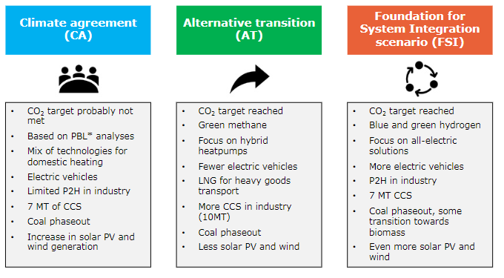

Design GTS investment plan 2020 - 2030

2.2 Developments in both volume and required transmission capacity
2.3 Comparison of gas demand under IP and C&EO
2.4 Meeting the heating demand for Dutch residential and commercial real estate
2.5 Possible development in the annual volume and in the transmission capacity for the built environment
2.6 Total electric power generation in the Netherlands per scenario
2.7 Gas consumption for the generation of electricity
2.8 Industrial gas consumption for both industrial parties connected via RNOs and directly connected industrial parties
2.9 Gas consumption for mobility in the various scenarios
2.10 Total domestic natural gas production, divided into Groningen and other gas fields
2.11 Overview of green gas production in the Netherlands
2.12 Production of green hydrogen in the Netherlands
2.13 Total gas production in the Netherlands
2.14 Hydrogen demand in the FSI scenario, shown per production method
2.15 Development of gas demand in countries neighbouring the Netherlands
2.16 Development of gas production in countries neighbouring the Netherlands
2.17 Green gas production in countries neighbouring the Netherlands under the ENTSOG scenarios
2.18 Utilisation of the GTS network, both for annual transmission volumes and peak capacities
2.19 Import demand in the Netherlands over the coming years
3.2 Dutch gas production between 2000 and 2018
3.3 Development of the required Groningen volume and capacity per gas year
3.5 Required use of storage facilities for the L-gas market, in percentage terms
3.6 Brattle Group, required working gas volume (WGV) storage facilities in 2030 (cold year)
3.7 Brattle Group, capacity analysis in 2030 (peak)
3.8 Daily flow at Emden IP and Oude Statenzijl IP: 2014 and 2018
Appendix VI Capacity at cross-border stations

2.2 Gas consumption+transm cap.
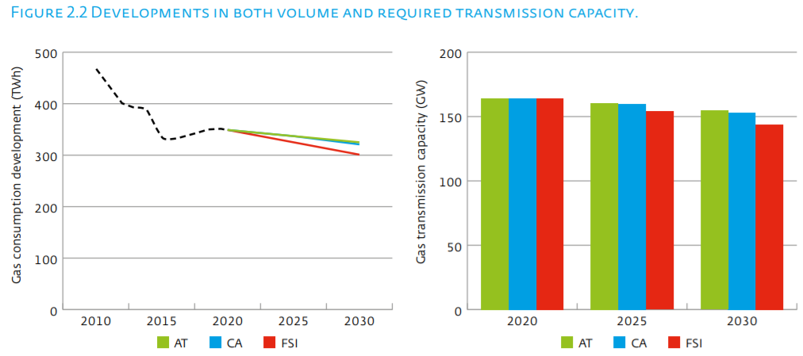
 |  |  |  |  |  |  |  |  |  |  |  |  |  |  |  |  |  |  |  |  |  | First page

Gas consumption development (TWh) | 2010 | 2011 | 2012 | 2013 | 2014 | 2015 | 2016 | 2017 | 2018 | 2019 | 2020 | 2021 | 2022 | 2023 | 2024 | 2025 | 2026 | 2027 | 2028 | 2029 | 2030
Registered by Statistics Netherlands | 518 | 453 | 433 | 432 | 377 | 372 | 390 | 401 | 398
CA |  |  |  |  |  |  |  |  | 398 | 374 | 349 | 347 | 344 | 342 | 339 | 337 | 334 | 330 | 327 | 324 | 321
AT |  |  |  |  |  |  |  |  | 398 | 374 | 349 | 347 | 344 | 342 | 340 | 337 | 335 | 332 | 330 | 328 | 325
FSI |  |  |  |  |  |  |  |  | 398 | 374 | 349 | 344 | 340 | 335 | 330 | 325 | 320 | 315 | 310 | 306 | 301

Gas transmission capacity (GW) | 2020 | 2025 | 2030 | 2020 | 2025 | 2030 | 2020 | 2025 | 2030
 | AT20 | AT25 | AT30 | CA20 | CA25 | CA30 | FSI20 | FSI25 | FSI30
Total required gas transmission capacity | 164 | 160 | 153 | 164 | 160 | 155 | 164 | 154 | 144

2.3 Comparison gas demand
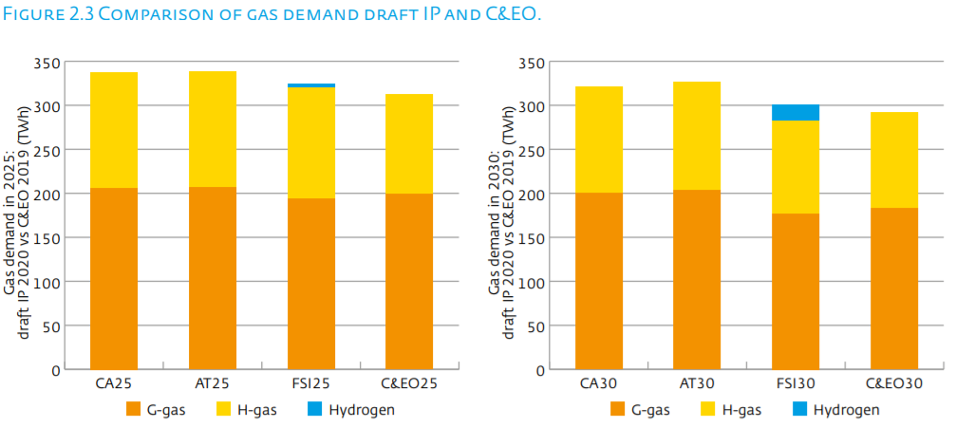
 |  |  |  |  |  |  |  |  |  | First page

TWh | CA25 | AT25 | FSI25 | C&EO25 | TWh | CA30 | AT30 | FSI30 | C&EO30
G-gas | 206 | 207 | 194 | 199 | G-gas | 200 | 203 | 177 | 183
H-gas | 131 | 131 | 126 | 114 | H-gas | 121 | 123 | 105 | 109
Hydrogen | 0 | 0 | 5 | 0 | Hydrogen | 0 | 0 | 19 | 0
Total | 337 | 337 | 325 | 313 | Total | 321 | 325 | 301 | 291

2.4 Heating
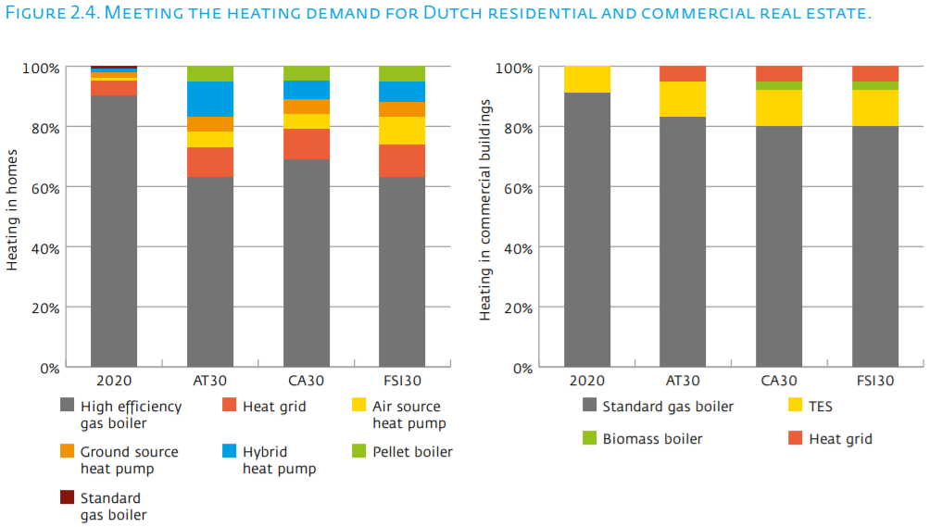
 |  |  |  |  |  |  |  |  |  | First page

Market shares in residential real estate | 2020 | AT30 | CA30 | FSI30 | Market shares in commercial real estate | 2020 | AT30 | CA30 | FSI30
High efficiency gas boiler | 90% | 63% | 69% | 63% | Standard gas boiler | 91% | 83% | 80% | 80%
Heat grid | 5% | 10% | 10% | 11% | Thermal energy storage | 9% | 12% | 12% | 12%
Air source heat pump | 1% | 5% | 5% | 9% | Biomass boiler | 0% | 0% | 3% | 3%
Ground source heat pump | 2% | 5% | 5% | 5% | Heat grid | 0% | 5% | 5% | 5%
Hybrid heat pump | 1% | 12% | 6% | 7%
Pellet boiler | 0% | 5% | 5% | 5%
Standard gas boiler | 1% | 0% | 0% | 0%

2.5 Built environment
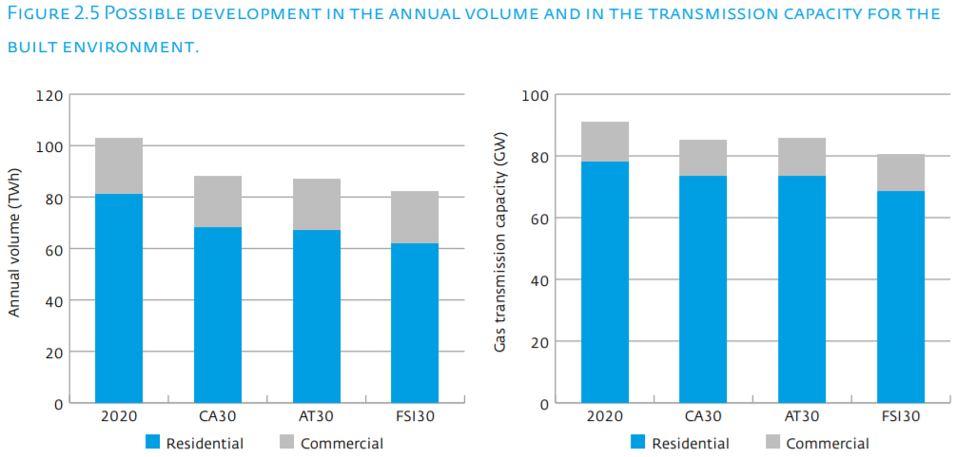
 |  |  |  |  |  |  |  |  |  | First page

TWh | 2020 | CA30 | AT30 | FSI30 | GW | 2020 | CA30 | AT30 | FSI30
Residential | 81 | 68 | 67 | 62 | Residential | 78 | 73 | 73 | 69
Commercial | 22 | 20 | 20 | 20 | Commercial | 13 | 12 | 12 | 12
Total | 104 | 87 | 87 | 81 | Total | 91 | 85 | 86 | 80

2.6 Electr power generation
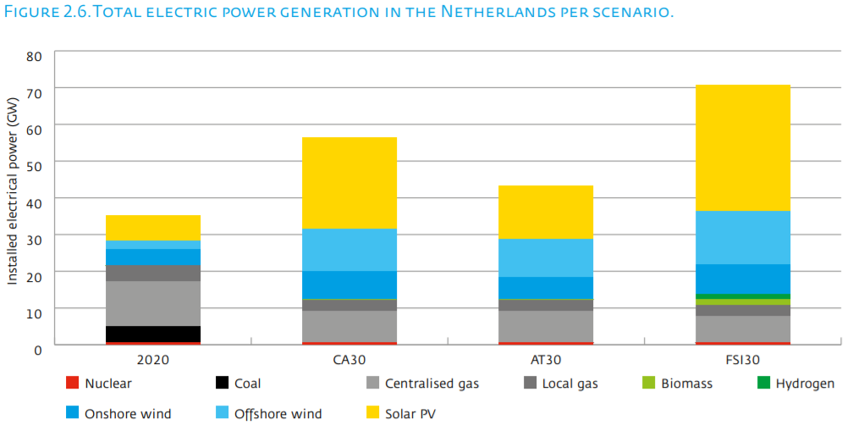
 |  |  |  |  | First page

GW | 2020 | CA30 | AT30 | FSI30
Solar PV | 6.9 | 25.0 | 14.3 | 34.3
Offshore wind | 2.4 | 11.3 | 10.6 | 14.6
Onshore wind | 4.5 | 7.8 | 6.0 | 8.1
Hydrogen | 0.0 | 0.0 | 0.0 | 1.4
Biomass | 0.0 | 0.0 | 0.0 | 1.4
Local gas | 4.2 | 3.2 | 3.2 | 3.2
Centralised gas | 12.2 | 8.6 | 8.6 | 7.2
Coal | 4.6 | 0.0 | 0.0 | 0.0
Nuclear | 0.5 | 0.5 | 0.5 | 0.5
Total | 35.3 | 56.4 | 43.2 | 70.7

2.7 Gas consumption power
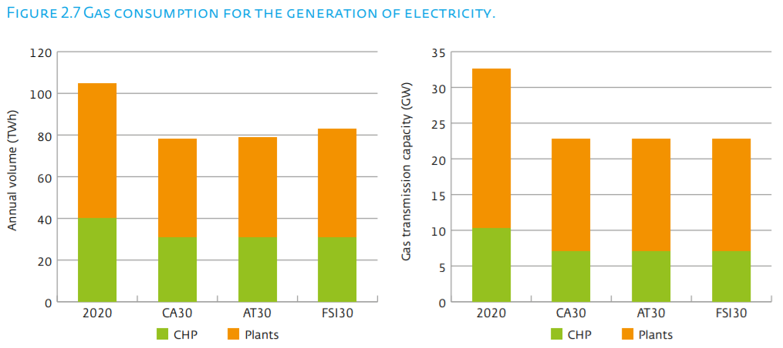
 |  |  |  |  |  |  |  |  |  | First page

TWh | 2020 | CA30 | AT30 | FSI30 | GW | 2020 | CA30 | AT30 | FSI30
CHP | 39.8 | 30.8 | 30.8 | 30.8 | CHP | 10.3 | 7.1 | 7.1 | 7.1
Plants | 65.2 | 47.2 | 48.0 | 51.8 | Plants | 22.3 | 15.7 | 15.7 | 15.7
Total | 105.0 | 78.0 | 78.7 | 82.6 | Total | 32.5 | 22.8 | 22.8 | 22.8

2.8 Industry
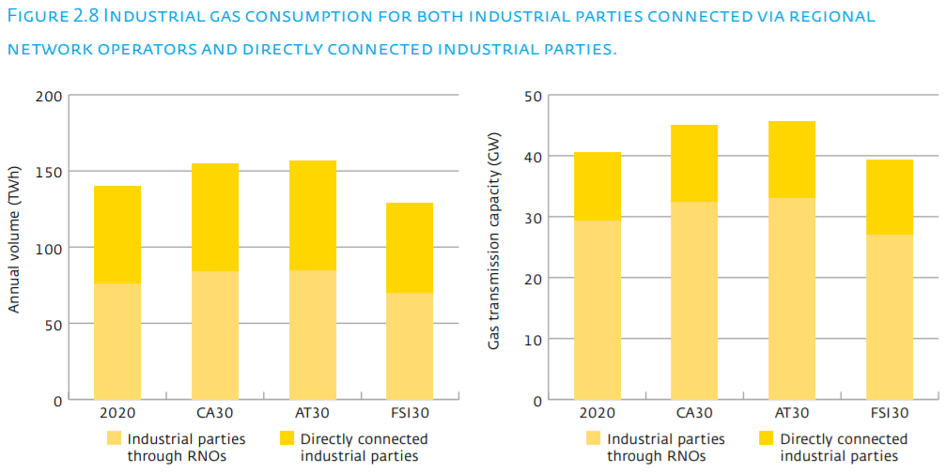
 |  |  |  |  |  |  |  |  | First page

TWh | 2020 | CA30 | AT30 | FSI30 | GW | 2020 | CA30 | AT30 | FSI30
Industrial parties through RNOs | 75.6 | 83.9 | 85.2 | 69.9 | Industrial parties through RNOs | 29.3 | 32.5 | 33.0 | 27.1
Directly connected industrial parties | 63.9 | 70.9 | 72.0 | 59.1 | Directly connected industrial parties | 11.3 | 12.5 | 12.7 | 12.3
Total | 139.5 | 154.7 | 157.2 | 128.9 | Total | 40.6 | 45.0 | 45.7 | 39.4

2.9 Mobility
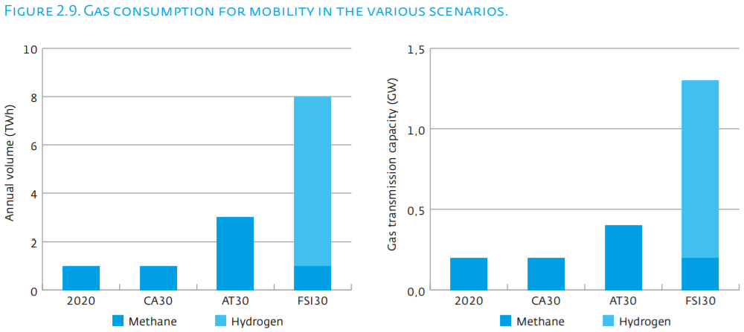
 |  |  |  |  |  |  |  |  |  | First page

TWh | 2020 | CA30 | AT30 | FSI30 | GW | 2020 | CA30 | AT30 | FSI30
Methane | 0.9 | 1.1 | 2.6 | 1.1 | Methane | 0.2 | 0.2 | 0.4 | 0.2
Hydrogen | 0.0 | 0.0 | 0.0 | 6.9 | Hydrogen | 0 | 0 | 0 | 1.1
Total | 0.9 | 1.1 | 2.6 | 7.9 | Total | 0.2 | 0.2 | 0.4 | 1.3

2.10 Domestic natural gas prod.
 |  |  |  |  |  |  |  |  |  |  |  |  | First page
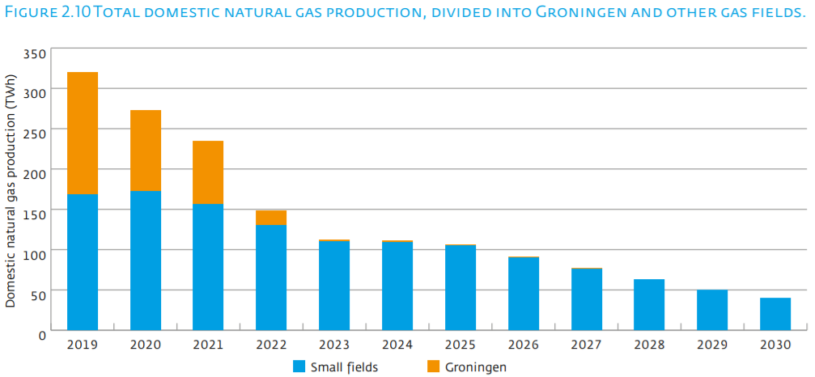

TWh | 2019 | 2020 | 2021 | 2022 | 2023 | 2024 | 2025 | 2026 | 2027 | 2028 | 2029 | 2030
Small fields | 168.0 | 171.9 | 156.3 | 129.9 | 110.4 | 109.4 | 104.5 | 89.9 | 76.2 | 62.5 | 49.8 | 40.1
Groningen | 152.0 | 101.1 | 79.3 | 19.0 | 1.3 | 0.7 | 0.3 | 0.1 | 0.0 | 0.0 | 0.0 | 0.0
Total | 320.0 | 273.1 | 235.6 | 148.9 | 111.7 | 110.1 | 104.8 | 90.0 | 76.2 | 62.5 | 49.8 | 40.1

2.11 Green gas production
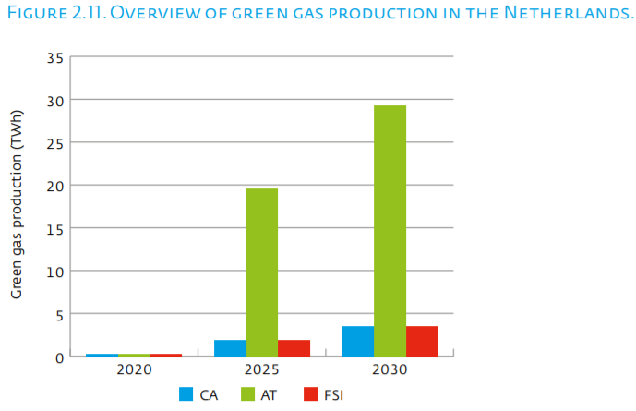
 |  |  |  | First page

TWh | 2020 | 2025 | 2030
CA | 0.3 | 1.9 | 3.5
AT | 0.3 | 19.5 | 29.3
FSI | 0.3 | 1.9 | 3.5

2.12 Green hydrogen production
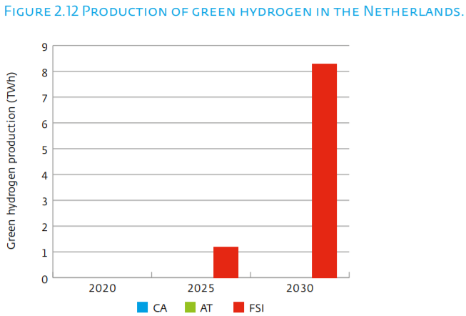
 |  |  |  | First page

TWh | 2020 | 2025 | 2030
CA | 0.0 | 0.0 | 0.0
AT | 0.0 | 0.0 | 0.0
FSI | 0.0 | 1.2 | 8.4

2.13 Gas production in NL
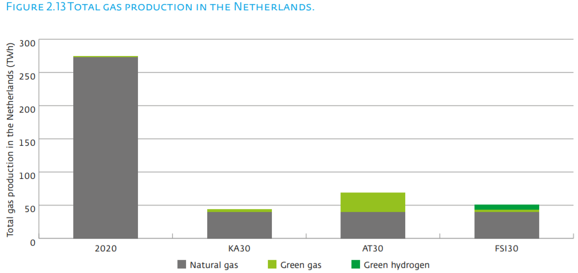
 |  |  |  |  | First page

TWh | 2020 | CA30 | AT30 | FSI30
Green hydrogen | 273.1 | 40.1 | 40.1 | 40.1
Green gas | 0.3 | 3.5 | 29.3 | 3.2
Natural gas | 0.0 | 0.0 | 0.0 | 8.4
Total | 273.4 | 43.6 | 69.4 | 51.6

2.14 Hydrogen in NL
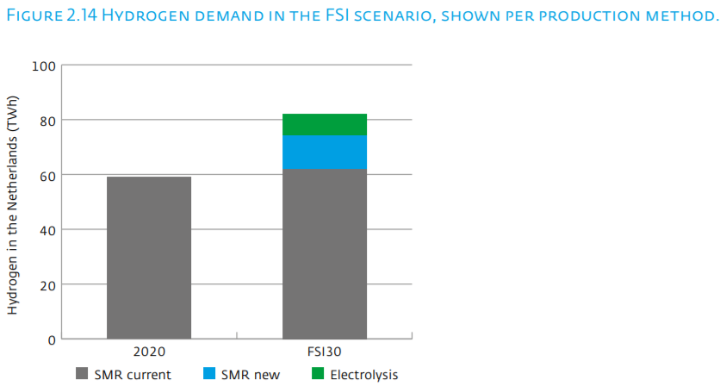
 |  |  | First page

TWh | 2020 | FSI30
SMR new | 0 | 12
Electrolysis | 0 | 8
SMR current | 59 | 62
Total | 59 | 82

2.15 Gas demand in nghb. cntr.
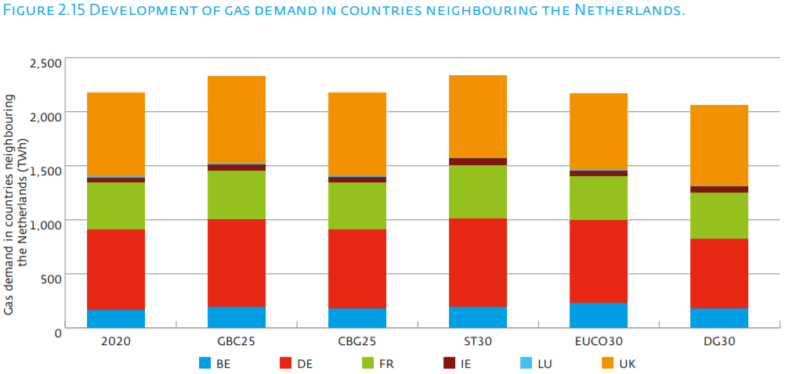
 |  |  |  |  |  |  | First page

TWh | 2020 | GBC25 | CBG25 | ST30 | EUCO30 | DG30
BE | 161 | 189 | 179 | 195 | 229 | 179
DE | 752 | 813 | 731 | 812 | 768 | 642
FR | 429 | 450 | 432 | 495 | 404 | 429
IE | 48 | 60 | 55 | 65 | 51 | 55
LU | 9 | 9 | 9 | 9 | 12 | 8
UK | 776 | 809 | 771 | 758 | 705 | 747
Total | 2175 | 2330 | 2177 | 2334 | 2169 | 2060

2.16 Gas prd. in neighb. cntr.
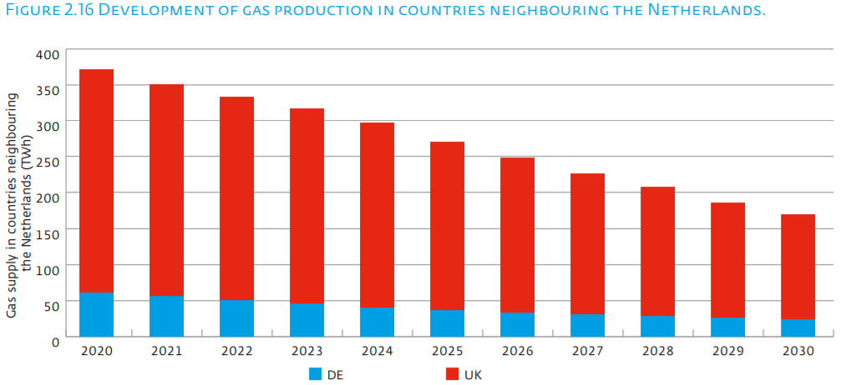
 |  |  |  |  |  |  |  |  |  |  |  | First page

TWh | 2020 | 2021 | 2022 | 2023 | 2024 | 2025 | 2026 | 2027 | 2028 | 2029 | 2030
DE | 60.9 | 56.4 | 50.6 | 45.4 | 40.5 | 36.5 | 33.5 | 30.7 | 28.1 | 25.8 | 23.6
UK | 310.8 | 294.3 | 283.2 | 272.3 | 255.8 | 233.7 | 214.5 | 195.2 | 178.7 | 159.5 | 145.7
Total | 371.6 | 350.7 | 333.8 | 317.6 | 296.3 | 270.3 | 248.0 | 225.9 | 206.9 | 185.3 | 169.4

2.17 Green gas in neighb. cntr.
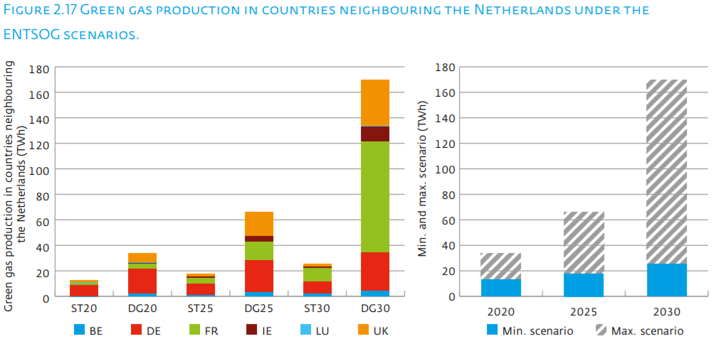
 |  |  |  |  |  |  |  |  |  |  | First page

TWh | ST20 | DG20 | ST25 | DG25 | ST30 | DG30 | TWh | 2020 | 2025 | 2030
BE | 0.0 | 2.0 | 0.7 | 3.2 | 2.0 | 4.4 | Min | 12.9 | 17.8 | 25.5
DE | 8.8 | 20.0 | 9.3 | 25.0 | 9.8 | 30.0 | Max | 34.0 | 66.1 | 169.6
FR | 1.6 | 3.6 | 4.2 | 14.8 | 10.0 | 87.2
IE | 0.3 | 0.6 | 1.4 | 4.3 | 1.4 | 11.5
LU | 0.0 | 0.1 | 0.0 | 0.2 | 0.1 | 0.2
UK | 2.2 | 7.7 | 2.2 | 18.7 | 2.2 | 36.3
Total | 12.9 | 34.0 | 17.8 | 66.1 | 25.5 | 169.6

2.18 GTS network utilisation
 |  |  |  |  |  |  |  |  |  |  | First page
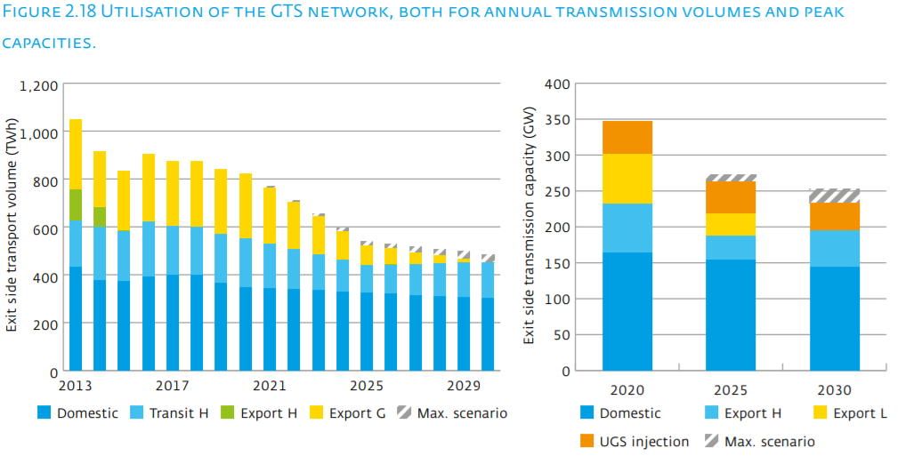

TWh | Domestic | Transit H | Export H | Export G | Total | Max. scenario | GW | 2020 | 2025 | 2030
2013 | 432 | 193 | 132 | 290 | 1048 | 0 | Domestic | 164 | 154 | 144
2014 | 377 | 222 | 82 | 234 | 915 | 0 | Transit H | 68 | 34 | 51
2015 | 372 | 211 | 0 | 250 | 832 | 0 | Export L | 70 | 30 | 0
2016 | 390 | 231 | 0 | 283 | 904 | 0 | UGS injection | 45 | 45 | 38
2017 | 401 | 202 | 0 | 273 | 876 | 0 | Max. scenario | 0 | 10 | 20
2018 | 398 | 202 | 0 | 273 | 872 | 0 | Total | 347 | 273 | 253
2019 | 367 | 202 | 0 | 273 | 841 | 0
2020 | 349 | 202 | 0 | 273 | 823 | 0
2021 | 344 | 184 | 0 | 235 | 763 | 3
2022 | 340 | 166 | 0 | 197 | 703 | 6
2023 | 335 | 149 | 0 | 160 | 643 | 9
2024 | 330 | 131 | 0 | 122 | 583 | 13
2025 | 325 | 113 | 0 | 84 | 523 | 16
2026 | 320 | 121 | 0 | 67 | 508 | 19
2027 | 315 | 128 | 0 | 51 | 494 | 23
2028 | 310 | 136 | 0 | 34 | 480 | 26
2029 | 306 | 144 | 0 | 17 | 466 | 30
2030 | 301 | 151 | 0 | 0 | 452 | 33

2.19 Dutch import demand
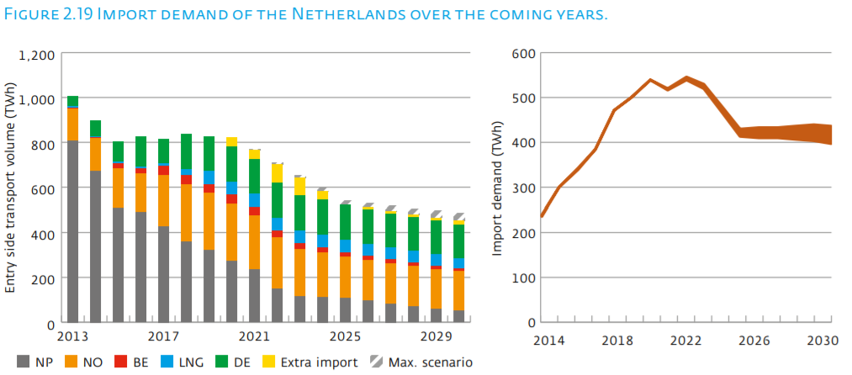
 |  |  |  |  |  |  |  |  |  |  |  | First page

TWh | NO | BE | LNG | DE | NP | Extra | Total | Max. scenario | TWh | Min. | Max.
2013 | 143 | 3 | 7 | 48 | 807 |  | 1007 | 0 | 2014 | 227 | 227
2014 | 147 | 4 | 4 | 71 | 672 |  | 899 | 0 | 2015 | 293 | 293
2015 | 176 | 20 | 10 | 88 | 508 |  | 801 | 0 | 2016 | 337 | 337
2016 | 171 | 24 | 5 | 137 | 490 |  | 827 | 0 | 2017 | 385 | 385
2017 | 225 | 44 | 9 | 107 | 428 |  | 813 | 0 | 2018 | 479 | 479
2018 | 254 | 39 | 29 | 156 | 359 |  | 837 | 0 | 2019 | 508 | 508
2019 | 254 | 39 | 59 | 156 | 320 |  | 828 | 0 | 2020 | 550 | 550
2020 | 254 | 39 | 59 | 156 | 273 | 42 | 823 | 0 | 2021 | 527 | 530
2021 | 240 | 36 | 58 | 156 | 236 | 38 | 763 | 3 | 2022 | 553 | 560
2022 | 226 | 32 | 56 | 155 | 150 | 83 | 703 | 6 | 2023 | 529 | 539
2023 | 211 | 29 | 55 | 155 | 114 | 79 | 643 | 9 | 2024 | 470 | 484
2024 | 197 | 25 | 54 | 155 | 113 | 39 | 583 | 13 | 2025 | 415 | 432
2025 | 183 | 22 | 53 | 154 | 108 | 3 | 523 | 16 | 2026 | 414 | 435
2026 | 181 | 20 | 52 | 153 | 95 | 8 | 508 | 19 | 2027 | 411 | 438
2027 | 180 | 18 | 52 | 152 | 83 | 10 | 494 | 23 | 2028 | 409 | 441
2028 | 178 | 16 | 53 | 150 | 71 | 12 | 480 | 26 | 2029 | 406 | 443
2029 | 176 | 14 | 54 | 149 | 60 | 13 | 466 | 30 | 2030 | 400 | 442
2030 | 175 | 14 | 45 | 148 | 52 | 19 | 452 | 33

3.2 Dutch gas production
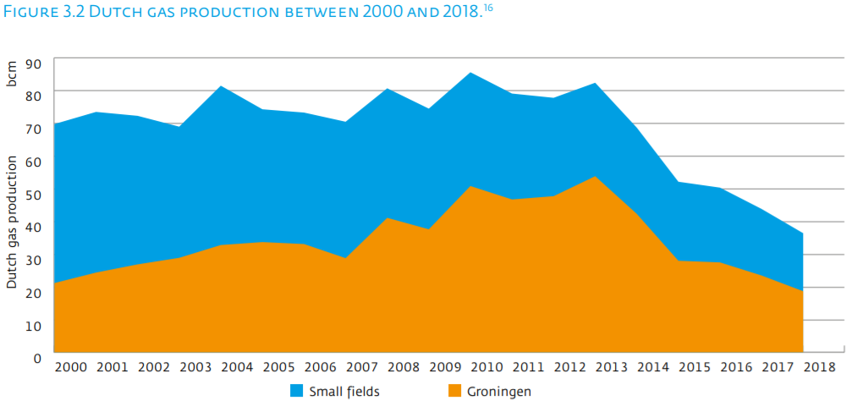
 |  |  | First page

BCM | Groningen | Small fields
2000 | 21.3 | 48.5
2001 | 24.5 | 49.0
2002 | 27.0 | 45.3
2003 | 29.0 | 40.0
2004 | 32.9 | 48.6
2005 | 33.8 | 40.5
2006 | 33.2 | 40.1
2007 | 28.9 | 41.6
2008 | 41.2 | 39.5
2009 | 37.7 | 36.8
2010 | 50.9 | 34.7
2011 | 46.8 | 32.3
2012 | 47.8 | 30.0
2013 | 53.9 | 28.5
2014 | 42.4 | 26.3
2015 | 28.1 | 24.1
2016 | 27.6 | 22.8
2017 | 23.6 | 20.3
2018 | 18.8 | 17.7

3.3 Groningen vol and cap
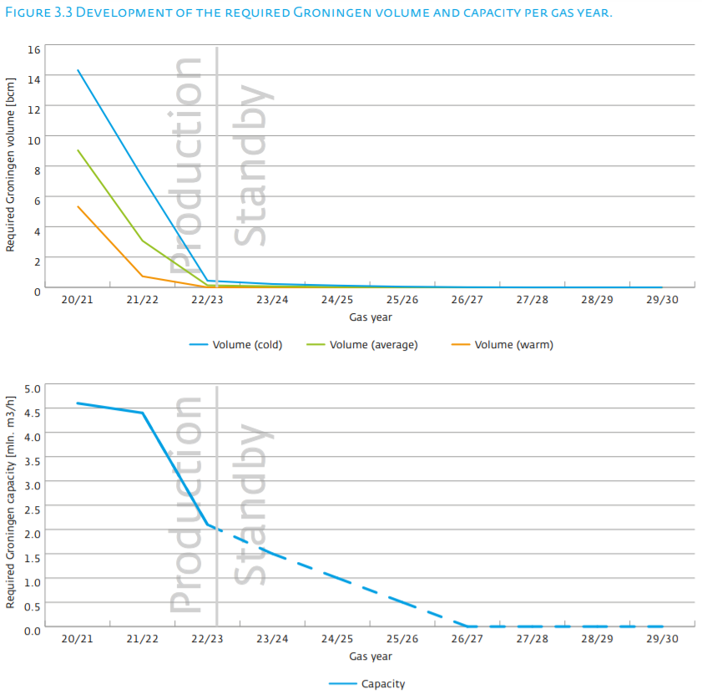
 |  | First page

BCM | Volume (cold) | Volume (average) | Volume (warm)
20/21 | 14.35 | 9.07 | 5.35
21/22 | 7.25 | 3.07 | 0.73
22/23 | 0.44 | 0.13 | 0.00
23/24 | 0.22 | 0.07 | 0.00
24/25 | 0.12 | 0.03 | 0.00
25/26 | 0.05 | 0.01 | 0.00
26/27 | 0.01 | 0.00 | 0.00
27/28 | 0.00 | 0.00 | 0.00
28/29 | 0.00 | 0.00 | 0.00
29/30 | 0.00 | 0.00 | 0.00

millions of m3/h | Capacity
20/21 | 4.60
21/22 | 4.40
22/23 | 2.10
23/24 | 1.50
24/25 | 1.00
25/26 | 0.50
26/27 | 0.00
27/28 | 0.00
28/29 | 0.00
29/30 | 0.00

3.5 Utilisation of L-gas storag
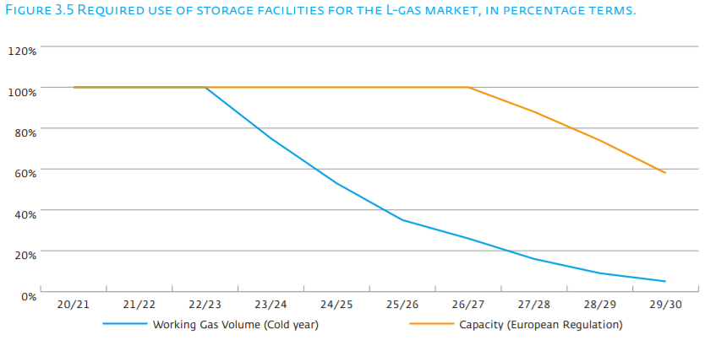
 |  |  |  |  |  |  |  |  |  |  | First page

Gas year | 20/21 | 21/22 | 22/23 | 23/24 | 24/25 | 25/26 | 26/27 | 27/28 | 28/29 | 29/30
Capacity | 100% | 100% | 100% | 100% | 100% | 100% | 100% | 88% | 74% | 58%
Volume | 100% | 100% | 100% | 75% | 53% | 35% | 26% | 16% | 9% | 5%

3.6 Required WGV storage facili
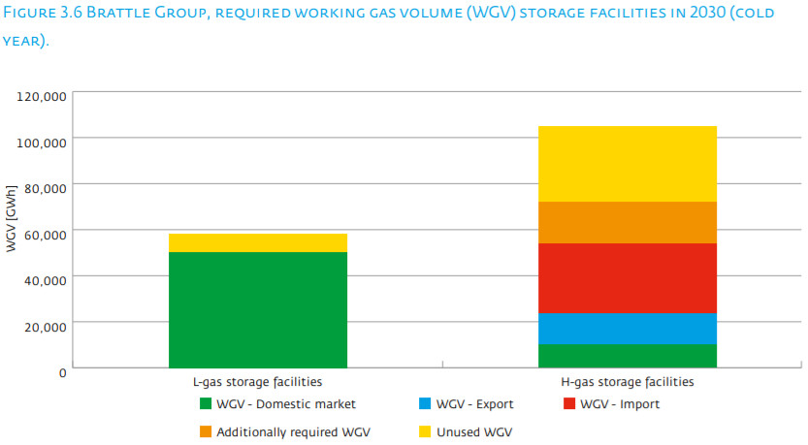
 |  |  | First page

GWh | L-gas storage facilities | H-gas storage facilities
WGV - Domestic market | 50,127.36 | 10,068.25
WGV - Export | 0.00 | 13,434.77
WGV - Import |  | 30,541.54
Additionally required WGV |  | 17,981.85
Unused WGV | 7,923.54 | 32,881.79

3.7 Capacity analysis
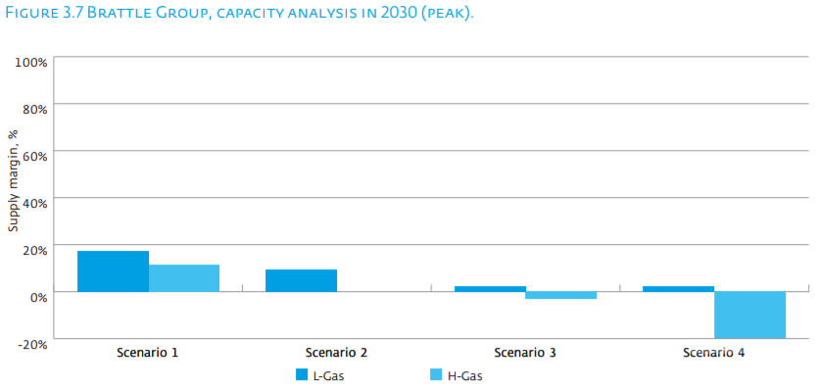
 |  |  |  |  | First page

2030 - peak | Scenario 1 | Scenario 2 | Scenario 3 | Scenario 4
L-gas | 17.3% | 9.2% | 2.2% | 2.2%
H-gas | 11.4% | 0.0% | -3.2% | -22.7%

3.8 Flow at Emden and OSZH
 |  |  |  | First page

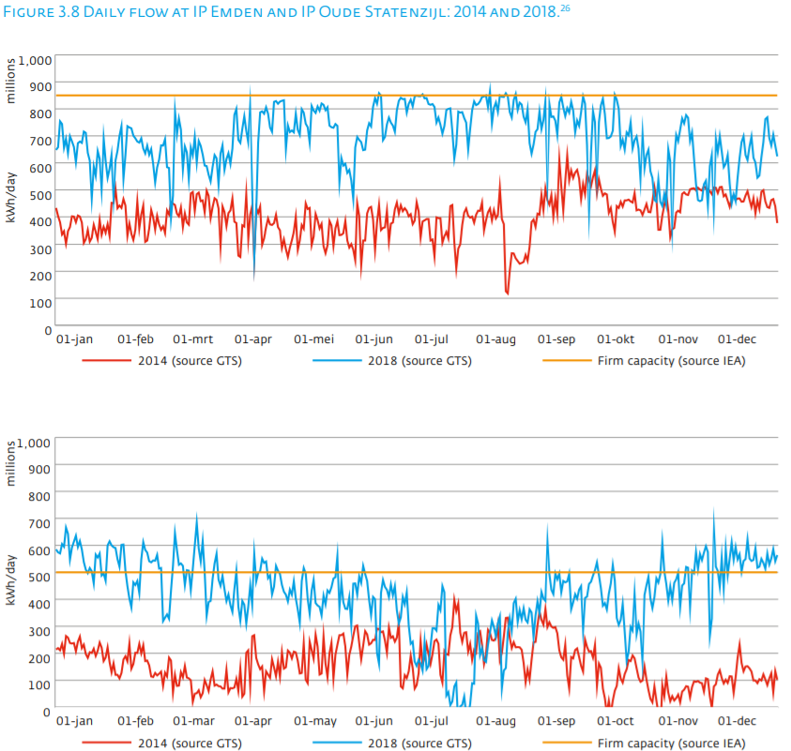
Daily flow at Emden IP |  |  |  |  | Daily flow at H-entry of Oude Statenzijl IP
kWh/day | Firm capacity (source: IEA) | 2014 (source: GTS) | 2018 (source: GTS) |  | kWh/day | Firm capacity (source: IEA) | 2014 (source: GTS) | 2018 (source: GTS)
2018-01-01 | 850,000,000 | 433,063,863 | 647,587,805 |  | 2018-01-01 | 500,000,000 | 213,824,877 | 584,904,780
2018-01-02 | 850,000,000 | 402,675,375 | 658,249,645 |  | 2018-01-02 | 500,000,000 | 218,947,579 | 574,233,284
2018-01-03 | 850,000,000 | 379,850,312 | 754,396,831 |  | 2018-01-03 | 500,000,000 | 211,261,823 | 570,436,019
2018-01-04 | 850,000,000 | 336,484,974 | 744,240,781 |  | 2018-01-04 | 500,000,000 | 235,367,161 | 604,917,692
2018-01-05 | 850,000,000 | 346,648,298 | 655,595,965 |  | 2018-01-05 | 500,000,000 | 197,983,779 | 595,221,834
2018-01-06 | 850,000,000 | 301,983,706 | 688,608,692 |  | 2018-01-06 | 500,000,000 | 264,127,141 | 666,455,556
2018-01-07 | 850,000,000 | 346,842,384 | 636,304,395 |  | 2018-01-07 | 500,000,000 | 258,175,813 | 642,609,347
2018-01-08 | 850,000,000 | 361,528,436 | 699,090,285 |  | 2018-01-08 | 500,000,000 | 237,578,469 | 547,398,720
2018-01-09 | 850,000,000 | 401,999,765 | 679,856,821 |  | 2018-01-09 | 500,000,000 | 236,306,754 | 591,641,759
2018-01-10 | 850,000,000 | 400,955,168 | 659,259,694 |  | 2018-01-10 | 500,000,000 | 237,558,621 | 614,144,681
2018-01-11 | 850,000,000 | 380,103,746 | 601,617,216 |  | 2018-01-11 | 500,000,000 | 207,201,214 | 635,633,721
2018-01-12 | 850,000,000 | 405,102,398 | 672,573,727 |  | 2018-01-12 | 500,000,000 | 242,680,260 | 593,719,476
2018-01-13 | 850,000,000 | 401,085,213 | 679,079,067 |  | 2018-01-13 | 500,000,000 | 261,549,286 | 615,636,017
2018-01-14 | 850,000,000 | 379,437,822 | 673,688,732 |  | 2018-01-14 | 500,000,000 | 217,888,928 | 584,648,697
2018-01-15 | 850,000,000 | 305,474,552 | 715,726,431 |  | 2018-01-15 | 500,000,000 | 231,756,390 | 538,047,694
2018-01-16 | 850,000,000 | 319,322,178 | 710,933,424 |  | 2018-01-16 | 500,000,000 | 196,773,535 | 510,124,773
2018-01-17 | 850,000,000 | 352,420,185 | 637,109,019 |  | 2018-01-17 | 500,000,000 | 183,346,815 | 497,371,441
2018-01-18 | 850,000,000 | 310,066,577 | 607,871,869 |  | 2018-01-18 | 500,000,000 | 204,327,885 | 516,453,806
2018-01-19 | 850,000,000 | 324,678,176 | 462,563,495 |  | 2018-01-19 | 500,000,000 | 200,857,677 | 504,407,259
2018-01-20 | 850,000,000 | 370,688,905 | 587,038,823 |  | 2018-01-20 | 500,000,000 | 216,890,147 | 458,753,565
2018-01-21 | 850,000,000 | 344,568,951 | 551,870,339 |  | 2018-01-21 | 500,000,000 | 189,558,339 | 566,348,169
2018-01-22 | 850,000,000 | 318,619,848 | 643,566,370 |  | 2018-01-22 | 500,000,000 | 209,181,177 | 554,793,838
2018-01-23 | 850,000,000 | 389,059,338 | 615,062,955 |  | 2018-01-23 | 500,000,000 | 239,686,404 | 570,145,858
2018-01-24 | 850,000,000 | 334,840,331 | 491,316,133 |  | 2018-01-24 | 500,000,000 | 221,382,450 | 487,963,055
2018-01-25 | 850,000,000 | 363,316,684 | 691,775,267 |  | 2018-01-25 | 500,000,000 | 171,102,311 | 496,376,527
2018-01-26 | 850,000,000 | 342,402,398 | 607,928,411 |  | 2018-01-26 | 500,000,000 | 184,103,897 | 469,154,982
2018-01-27 | 850,000,000 | 374,783,277 | 543,507,837 |  | 2018-01-27 | 500,000,000 | 222,333,869 | 599,960,316
2018-01-28 | 850,000,000 | 330,739,894 | 578,420,674 |  | 2018-01-28 | 500,000,000 | 167,217,403 | 615,429,482
2018-01-29 | 850,000,000 | 451,526,520 | 629,555,254 |  | 2018-01-29 | 500,000,000 | 128,948,880 | 600,223,875
2018-01-30 | 850,000,000 | 450,552,208 | 457,177,108 |  | 2018-01-30 | 500,000,000 | 163,050,788 | 592,519,254
2018-01-31 | 850,000,000 | 505,351,019 | 608,792,083 |  | 2018-01-31 | 500,000,000 | 120,353,655 | 589,953,382
2018-02-01 | 850,000,000 | 432,198,730 | 644,717,214 |  | 2018-02-01 | 500,000,000 | 120,089,607 | 548,714,429
2018-02-02 | 850,000,000 | 442,424,553 | 700,158,682 |  | 2018-02-02 | 500,000,000 | 106,855,880 | 520,715,128
2018-02-03 | 850,000,000 | 432,514,860 | 735,802,655 |  | 2018-02-03 | 500,000,000 | 127,378,412 | 602,343,106
2018-02-04 | 850,000,000 | 466,127,367 | 538,960,294 |  | 2018-02-04 | 500,000,000 | 176,878,654 | 602,717,241
2018-02-05 | 850,000,000 | 441,562,179 | 627,918,649 |  | 2018-02-05 | 500,000,000 | 189,466,258 | 506,086,269
2018-02-06 | 850,000,000 | 330,536,014 | 735,795,328 |  | 2018-02-06 | 500,000,000 | 170,015,723 | 448,636,211
2018-02-07 | 850,000,000 | 375,592,517 | 730,720,527 |  | 2018-02-07 | 500,000,000 | 236,040,316 | 403,062,966
2018-02-08 | 850,000,000 | 339,274,906 | 727,938,417 |  | 2018-02-08 | 500,000,000 | 143,055,030 | 370,235,268
2018-02-09 | 850,000,000 | 315,620,542 | 700,855,743 |  | 2018-02-09 | 500,000,000 | 160,342,430 | 463,145,204
2018-02-10 | 850,000,000 | 351,870,783 | 690,717,364 |  | 2018-02-10 | 500,000,000 | 202,350,890 | 452,684,374
2018-02-11 | 850,000,000 | 457,049,720 | 679,223,733 |  | 2018-02-11 | 500,000,000 | 201,341,871 | 467,995,658
2018-02-12 | 850,000,000 | 357,325,713 | 674,544,078 |  | 2018-02-12 | 500,000,000 | 234,682,192 | 423,417,155
2018-02-13 | 850,000,000 | 407,874,263 | 691,320,192 |  | 2018-02-13 | 500,000,000 | 199,952,472 | 547,860,005
2018-02-14 | 850,000,000 | 441,948,958 | 653,121,416 |  | 2018-02-14 | 500,000,000 | 229,844,960 | 611,592,185
2018-02-15 | 850,000,000 | 308,872,274 | 634,694,517 |  | 2018-02-15 | 500,000,000 | 170,693,215 | 582,586,406
2018-02-16 | 850,000,000 | 313,920,034 | 663,661,227 |  | 2018-02-16 | 500,000,000 | 173,079,015 | 572,683,851
2018-02-17 | 850,000,000 | 356,959,057 | 629,748,912 |  | 2018-02-17 | 500,000,000 | 155,170,249 | 540,827,937
2018-02-18 | 850,000,000 | 426,241,546 | 651,057,687 |  | 2018-02-18 | 500,000,000 | 114,419,051 | 537,073,971
2018-02-19 | 850,000,000 | 397,934,688 | 595,817,491 |  | 2018-02-19 | 500,000,000 | 111,927,757 | 543,952,039
2018-02-20 | 850,000,000 | 352,906,266 | 527,259,742 |  | 2018-02-20 | 500,000,000 | 126,559,146 | 543,127,092
2018-02-21 | 850,000,000 | 403,596,055 | 583,267,297 |  | 2018-02-21 | 500,000,000 | 118,108,623 | 564,898,243
2018-02-22 | 850,000,000 | 372,325,286 | 612,328,871 |  | 2018-02-22 | 500,000,000 | 123,702,980 | 514,080,245
2018-02-23 | 850,000,000 | 351,534,229 | 665,415,103 |  | 2018-02-23 | 500,000,000 | 132,045,617 | 515,648,204
2018-02-24 | 850,000,000 | 364,652,222 | 664,453,689 |  | 2018-02-24 | 500,000,000 | 79,437,292 | 318,637,955
2018-02-25 | 850,000,000 | 340,538,764 | 687,900,411 |  | 2018-02-25 | 500,000,000 | 127,852,522 | 331,803,365
2018-02-26 | 850,000,000 | 424,477,844 | 583,635,938 |  | 2018-02-26 | 500,000,000 | 113,647,008 | 343,523,530
2018-02-27 | 850,000,000 | 409,497,130 | 580,746,354 |  | 2018-02-27 | 500,000,000 | 184,175,565 | 328,042,316
2018-02-28 | 850,000,000 | 455,240,465 | 396,299,676 |  | 2018-02-28 | 500,000,000 | 173,274,514 | 432,333,770
2018-03-01 | 850,000,000 | 448,677,602 | 477,960,247 |  | 2018-03-01 | 500,000,000 | 53,545,708 | 524,295,718
2018-03-02 | 850,000,000 | 444,471,130 | 797,384,440 |  | 2018-03-02 | 500,000,000 | 120,177,221 | 645,051,807
2018-03-03 | 850,000,000 | 411,635,576 | 704,506,302 |  | 2018-03-03 | 500,000,000 | 78,630,970 | 582,928,738
2018-03-04 | 850,000,000 | 401,957,369 | 764,224,799 |  | 2018-03-04 | 500,000,000 | 79,937,674 | 527,800,438
2018-03-05 | 850,000,000 | 435,161,992 | 722,620,262 |  | 2018-03-05 | 500,000,000 | 130,050,449 | 533,397,727
2018-03-06 | 850,000,000 | 362,092,648 | 574,706,015 |  | 2018-03-06 | 500,000,000 | 110,605,680 | 524,459,365
2018-03-07 | 850,000,000 | 412,777,894 | 661,377,108 |  | 2018-03-07 | 500,000,000 | 153,025,758 | 452,207,822
2018-03-08 | 850,000,000 | 378,768,122 | 638,639,353 |  | 2018-03-08 | 500,000,000 | 110,085,456 | 507,746,936
2018-03-09 | 850,000,000 | 371,020,154 | 539,931,070 |  | 2018-03-09 | 500,000,000 | 107,223,400 | 505,549,002
2018-03-10 | 850,000,000 | 486,571,921 | 656,632,592 |  | 2018-03-10 | 500,000,000 | 99,613,084 | 434,162,782
2018-03-11 | 850,000,000 | 491,886,093 | 627,686,908 |  | 2018-03-11 | 500,000,000 | 20,120,780 | 513,498,697
2018-03-12 | 850,000,000 | 421,933,299 | 695,909,839 |  | 2018-03-12 | 500,000,000 | 50,462,181 | 599,996,362
2018-03-13 | 850,000,000 | 484,090,221 | 600,521,026 |  | 2018-03-13 | 500,000,000 | 52,379,668 | 684,059,708
2018-03-14 | 850,000,000 | 490,035,444 | 681,054,349 |  | 2018-03-14 | 500,000,000 | 63,400,917 | 588,641,929
2018-03-15 | 850,000,000 | 458,432,932 | 662,726,530 |  | 2018-03-15 | 500,000,000 | 37,105,643 | 540,413,337
2018-03-16 | 850,000,000 | 460,908,613 | 631,487,115 |  | 2018-03-16 | 500,000,000 | 51,620,588 | 615,806,335
2018-03-17 | 850,000,000 | 416,701,817 | 589,894,390 |  | 2018-03-17 | 500,000,000 | 101,071,902 | 501,115,818
2018-03-18 | 850,000,000 | 496,677,894 | 587,638,227 |  | 2018-03-18 | 500,000,000 | 81,802,747 | 339,100,050
2018-03-19 | 850,000,000 | 478,248,388 | 555,509,010 |  | 2018-03-19 | 500,000,000 | 59,875,173 | 390,275,682
2018-03-20 | 850,000,000 | 394,638,375 | 531,286,586 |  | 2018-03-20 | 500,000,000 | 103,265,767 | 393,702,070
2018-03-21 | 850,000,000 | 436,427,396 | 585,499,283 |  | 2018-03-21 | 500,000,000 | 133,333,247 | 475,683,334
2018-03-22 | 850,000,000 | 468,962,820 | 629,480,347 |  | 2018-03-22 | 500,000,000 | 80,011,479 | 532,693,407
2018-03-23 | 850,000,000 | 462,951,416 | 616,683,860 |  | 2018-03-23 | 500,000,000 | 83,869,999 | 568,872,477
2018-03-24 | 850,000,000 | 431,159,757 | 518,508,489 |  | 2018-03-24 | 500,000,000 | 77,859,589 | 472,713,198
2018-03-25 | 850,000,000 | 280,590,038 | 635,139,341 |  | 2018-03-25 | 500,000,000 | 76,654,932 | 450,267,574
2018-03-26 | 850,000,000 | 438,991,707 | 665,300,541 |  | 2018-03-26 | 500,000,000 | 69,332,716 | 486,512,452
2018-03-27 | 850,000,000 | 418,007,820 | 573,876,737 |  | 2018-03-27 | 500,000,000 | 69,059,821 | 436,867,968
2018-03-28 | 850,000,000 | 366,030,698 | 614,467,261 |  | 2018-03-28 | 500,000,000 | 139,058,790 | 392,879,301
2018-03-29 | 850,000,000 | 414,002,607 | 635,664,583 |  | 2018-03-29 | 500,000,000 | 55,209,159 | 417,633,970
2018-03-30 | 850,000,000 | 424,070,573 | 596,117,092 |  | 2018-03-30 | 500,000,000 | 70,651,784 | 377,624,994
2018-03-31 | 850,000,000 | 468,364,952 | 653,371,913 |  | 2018-03-31 | 500,000,000 | 69,566,023 | 353,210,622
2018-04-01 | 850,000,000 | 381,526,823 | 777,675,021 |  | 2018-04-01 | 500,000,000 | 72,798,787 | 437,919,723
2018-04-02 | 850,000,000 | 376,942,554 | 799,592,084 |  | 2018-04-02 | 500,000,000 | 104,712,214 | 505,425,635
2018-04-03 | 850,000,000 | 257,831,556 | 685,307,849 |  | 2018-04-03 | 500,000,000 | 60,317,013 | 372,582,200
2018-04-04 | 850,000,000 | 253,410,677 | 673,714,317 |  | 2018-04-04 | 500,000,000 | 144,514,149 | 320,989,068
2018-04-05 | 850,000,000 | 369,363,743 | 725,809,945 |  | 2018-04-05 | 500,000,000 | 39,120,218 | 393,797,522
2018-04-06 | 850,000,000 | 363,578,150 | 773,375,756 |  | 2018-04-06 | 500,000,000 | 50,484,699 | 379,980,977
2018-04-07 | 850,000,000 | 493,744,836 | 718,656,835 |  | 2018-04-07 | 500,000,000 | 201,894,523 | 310,165,394
2018-04-08 | 850,000,000 | 316,447,564 | 675,709,942 |  | 2018-04-08 | 500,000,000 | 211,389,087 | 372,609,699
2018-04-09 | 850,000,000 | 408,633,476 | 836,128,709 |  | 2018-04-09 | 500,000,000 | 63,277,300 | 451,521,123
2018-04-10 | 850,000,000 | 441,695,509 | 496,694,803 |  | 2018-04-10 | 500,000,000 | 262,876,955 | 379,187,252
2018-04-11 | 850,000,000 | 217,622,249 | 217,379,716 |  | 2018-04-11 | 500,000,000 | 267,043,340 | 573,571,039
2018-04-12 | 850,000,000 | 433,954,649 | 413,630,729 |  | 2018-04-12 | 500,000,000 | 182,932,642 | 466,146,768
2018-04-13 | 850,000,000 | 414,300,178 | 676,223,697 |  | 2018-04-13 | 500,000,000 | 159,320,337 | 498,421,910
2018-04-14 | 850,000,000 | 437,963,496 | 787,303,333 |  | 2018-04-14 | 500,000,000 | 140,753,378 | 504,674,196
2018-04-15 | 850,000,000 | 297,534,444 | 791,289,985 |  | 2018-04-15 | 500,000,000 | 150,665,199 | 551,091,945
2018-04-16 | 850,000,000 | 321,892,099 | 782,283,790 |  | 2018-04-16 | 500,000,000 | 58,689,678 | 535,301,507
2018-04-17 | 850,000,000 | 361,622,430 | 805,784,462 |  | 2018-04-17 | 500,000,000 | 132,632,988 | 540,228,843
2018-04-18 | 850,000,000 | 394,106,241 | 781,533,996 |  | 2018-04-18 | 500,000,000 | 120,638,061 | 478,015,131
2018-04-19 | 850,000,000 | 372,161,920 | 730,615,625 |  | 2018-04-19 | 500,000,000 | 108,797,915 | 489,206,167
2018-04-20 | 850,000,000 | 369,716,823 | 715,360,176 |  | 2018-04-20 | 500,000,000 | 177,500,734 | 418,241,804
2018-04-21 | 850,000,000 | 377,013,324 | 825,594,174 |  | 2018-04-21 | 500,000,000 | 147,686,956 | 447,131,499
2018-04-22 | 850,000,000 | 407,638,459 | 828,682,376 |  | 2018-04-22 | 500,000,000 | 115,275,305 | 523,950,226
2018-04-23 | 850,000,000 | 361,837,339 | 818,706,293 |  | 2018-04-23 | 500,000,000 | 168,472,799 | 506,105,473
2018-04-24 | 850,000,000 | 350,197,026 | 827,273,367 |  | 2018-04-24 | 500,000,000 | 112,720,108 | 493,840,382
2018-04-25 | 850,000,000 | 286,238,476 | 829,968,655 |  | 2018-04-25 | 500,000,000 | 204,439,484 | 453,300,519
2018-04-26 | 850,000,000 | 317,527,268 | 831,953,484 |  | 2018-04-26 | 500,000,000 | 142,804,500 | 427,849,920
2018-04-27 | 850,000,000 | 282,164,339 | 649,515,782 |  | 2018-04-27 | 500,000,000 | 147,916,418 | 417,162,715
2018-04-28 | 850,000,000 | 253,205,472 | 738,672,663 |  | 2018-04-28 | 500,000,000 | 210,440,878 | 392,157,260
2018-04-29 | 850,000,000 | 288,486,919 | 713,622,362 |  | 2018-04-29 | 500,000,000 | 201,501,061 | 435,616,991
2018-04-30 | 850,000,000 | 315,434,504 | 719,750,577 |  | 2018-04-30 | 500,000,000 | 181,167,863 | 417,464,048
2018-05-01 | 850,000,000 | 345,870,731 | 712,632,380 |  | 2018-05-01 | 500,000,000 | 205,876,764 | 467,449,451
2018-05-02 | 850,000,000 | 400,846,402 | 781,921,153 |  | 2018-05-02 | 500,000,000 | 203,355,437 | 403,368,593
2018-05-03 | 850,000,000 | 278,454,872 | 722,105,554 |  | 2018-05-03 | 500,000,000 | 172,115,756 | 361,623,615
2018-05-04 | 850,000,000 | 314,447,999 | 704,439,753 |  | 2018-05-04 | 500,000,000 | 125,497,321 | 312,849,482
2018-05-05 | 850,000,000 | 370,313,647 | 799,148,466 |  | 2018-05-05 | 500,000,000 | 126,690,738 | 468,351,831
2018-05-06 | 850,000,000 | 355,619,274 | 786,025,485 |  | 2018-05-06 | 500,000,000 | 238,581,400 | 515,637,912
2018-05-07 | 850,000,000 | 449,683,030 | 744,587,162 |  | 2018-05-07 | 500,000,000 | 101,860,468 | 494,881,187
2018-05-08 | 850,000,000 | 428,917,597 | 731,682,993 |  | 2018-05-08 | 500,000,000 | 88,653,955 | 401,531,733
2018-05-09 | 850,000,000 | 433,343,619 | 674,509,315 |  | 2018-05-09 | 500,000,000 | 243,497,210 | 346,291,982
2018-05-10 | 850,000,000 | 296,678,478 | 810,718,248 |  | 2018-05-10 | 500,000,000 | 212,281,417 | 431,535,021
2018-05-11 | 850,000,000 | 327,526,672 | 793,914,112 |  | 2018-05-11 | 500,000,000 | 180,395,879 | 472,005,288
2018-05-12 | 850,000,000 | 410,534,390 | 785,239,876 |  | 2018-05-12 | 500,000,000 | 269,044,942 | 385,593,706
2018-05-13 | 850,000,000 | 388,304,546 | 808,784,436 |  | 2018-05-13 | 500,000,000 | 224,825,489 | 377,497,334
2018-05-14 | 850,000,000 | 357,155,972 | 793,411,817 |  | 2018-05-14 | 500,000,000 | 121,405,214 | 372,376,113
2018-05-15 | 850,000,000 | 374,139,056 | 820,441,674 |  | 2018-05-15 | 500,000,000 | 125,468,639 | 339,997,199
2018-05-16 | 850,000,000 | 293,489,098 | 814,984,314 |  | 2018-05-16 | 500,000,000 | 261,755,456 | 414,483,025
2018-05-17 | 850,000,000 | 264,648,312 | 794,811,254 |  | 2018-05-17 | 500,000,000 | 162,296,105 | 380,609,763
2018-05-18 | 850,000,000 | 296,033,938 | 805,667,934 |  | 2018-05-18 | 500,000,000 | 111,180,918 | 432,836,147
2018-05-19 | 850,000,000 | 384,976,072 | 737,757,468 |  | 2018-05-19 | 500,000,000 | 201,007,015 | 423,944,399
2018-05-20 | 850,000,000 | 368,446,746 | 731,849,220 |  | 2018-05-20 | 500,000,000 | 239,090,135 | 445,309,705
2018-05-21 | 850,000,000 | 293,289,980 | 730,449,561 |  | 2018-05-21 | 500,000,000 | 105,995,395 | 476,865,232
2018-05-22 | 850,000,000 | 357,926,737 | 744,231,392 |  | 2018-05-22 | 500,000,000 | 194,820,736 | 482,037,758
2018-05-23 | 850,000,000 | 383,627,840 | 737,039,463 |  | 2018-05-23 | 500,000,000 | 232,483,428 | 560,618,335
2018-05-24 | 850,000,000 | 334,171,642 | 524,491,481 |  | 2018-05-24 | 500,000,000 | 267,132,521 | 361,594,948
2018-05-25 | 850,000,000 | 335,133,802 | 617,751,182 |  | 2018-05-25 | 500,000,000 | 266,999,203 | 466,897,213
2018-05-26 | 850,000,000 | 340,692,259 | 590,060,525 |  | 2018-05-26 | 500,000,000 | 272,969,734 | 389,312,063
2018-05-27 | 850,000,000 | 385,156,149 | 597,305,214 |  | 2018-05-27 | 500,000,000 | 224,872,464 | 365,016,060
2018-05-28 | 850,000,000 | 313,718,230 | 562,849,350 |  | 2018-05-28 | 500,000,000 | 121,257,197 | 363,815,452
2018-05-29 | 850,000,000 | 288,222,498 | 574,142,165 |  | 2018-05-29 | 500,000,000 | 194,220,788 | 407,965,741
2018-05-30 | 850,000,000 | 301,277,978 | 535,020,072 |  | 2018-05-30 | 500,000,000 | 224,671,228 | 303,088,448
2018-05-31 | 850,000,000 | 279,746,270 | 465,746,248 |  | 2018-05-31 | 500,000,000 | 264,600,355 | 457,844,991
2018-06-01 | 850,000,000 | 241,199,893 | 657,206,238 |  | 2018-06-01 | 500,000,000 | 299,835,211 | 458,732,294
2018-06-02 | 850,000,000 | 449,638,781 | 696,004,549 |  | 2018-06-02 | 500,000,000 | 303,261,745 | 417,013,568
2018-06-03 | 850,000,000 | 404,304,164 | 684,564,402 |  | 2018-06-03 | 500,000,000 | 237,982,782 | 485,366,925
2018-06-04 | 850,000,000 | 220,412,054 | 677,329,249 |  | 2018-06-04 | 500,000,000 | 177,222,896 | 461,391,474
2018-06-05 | 850,000,000 | 314,247,297 | 647,080,757 |  | 2018-06-05 | 500,000,000 | 227,832,980 | 523,686,522
2018-06-06 | 850,000,000 | 314,034,778 | 648,519,998 |  | 2018-06-06 | 500,000,000 | 282,465,408 | 494,054,138
2018-06-07 | 850,000,000 | 413,073,091 | 719,918,056 |  | 2018-06-07 | 500,000,000 | 270,358,874 | 467,792,479
2018-06-08 | 850,000,000 | 432,765,346 | 747,147,777 |  | 2018-06-08 | 500,000,000 | 232,097,523 | 397,897,056
2018-06-09 | 850,000,000 | 436,579,951 | 734,687,820 |  | 2018-06-09 | 500,000,000 | 237,428,043 | 341,489,337
2018-06-10 | 850,000,000 | 389,823,427 | 807,935,045 |  | 2018-06-10 | 500,000,000 | 250,279,735 | 408,582,863
2018-06-11 | 850,000,000 | 278,756,378 | 839,775,195 |  | 2018-06-11 | 500,000,000 | 248,512,337 | 400,498,291
2018-06-12 | 850,000,000 | 379,717,821 | 818,689,112 |  | 2018-06-12 | 500,000,000 | 290,738,156 | 200,512,439
2018-06-13 | 850,000,000 | 444,143,692 | 858,370,591 |  | 2018-06-13 | 500,000,000 | 290,282,489 | 161,066,859
2018-06-14 | 850,000,000 | 350,925,697 | 848,680,215 |  | 2018-06-14 | 500,000,000 | 278,230,098 | 424,473,217
2018-06-15 | 850,000,000 | 359,193,343 | 683,797,039 |  | 2018-06-15 | 500,000,000 | 281,008,947 | 471,778,077
2018-06-16 | 850,000,000 | 360,732,069 | 696,085,423 |  | 2018-06-16 | 500,000,000 | 246,659,095 | 445,737,477
2018-06-17 | 850,000,000 | 422,889,811 | 743,029,601 |  | 2018-06-17 | 500,000,000 | 202,021,163 | 434,550,827
2018-06-18 | 850,000,000 | 308,628,498 | 768,457,028 |  | 2018-06-18 | 500,000,000 | 296,295,175 | 407,816,027
2018-06-19 | 850,000,000 | 375,015,559 | 749,024,621 |  | 2018-06-19 | 500,000,000 | 256,760,819 | 454,645,164
2018-06-20 | 850,000,000 | 379,249,324 | 738,250,825 |  | 2018-06-20 | 500,000,000 | 262,823,289 | 414,863,541
2018-06-21 | 850,000,000 | 428,228,702 | 715,170,668 |  | 2018-06-21 | 500,000,000 | 242,583,481 | 448,512,194
2018-06-22 | 850,000,000 | 453,057,534 | 794,742,909 |  | 2018-06-22 | 500,000,000 | 257,761,837 | 359,425,597
2018-06-23 | 850,000,000 | 411,731,178 | 830,116,700 |  | 2018-06-23 | 500,000,000 | 316,161,661 | 310,424,447
2018-06-24 | 850,000,000 | 443,415,402 | 840,708,775 |  | 2018-06-24 | 500,000,000 | 76,792,467 | 333,109,898
2018-06-25 | 850,000,000 | 420,605,072 | 835,879,862 |  | 2018-06-25 | 500,000,000 | 69,697,724 | 408,926,635
2018-06-26 | 850,000,000 | 432,025,157 | 837,072,768 |  | 2018-06-26 | 500,000,000 | 119,014,901 | 381,846,609
2018-06-27 | 850,000,000 | 421,741,379 | 786,454,075 |  | 2018-06-27 | 500,000,000 | 108,385,905 | 425,783,810
2018-06-28 | 850,000,000 | 401,515,773 | 819,447,687 |  | 2018-06-28 | 500,000,000 | 132,765,542 | 303,060,969
2018-06-29 | 850,000,000 | 410,487,553 | 833,544,009 |  | 2018-06-29 | 500,000,000 | 191,141,110 | 234,630,646
2018-06-30 | 850,000,000 | 373,196,551 | 809,092,102 |  | 2018-06-30 | 500,000,000 | 145,436,691 | 243,260,738
2018-07-01 | 850,000,000 | 386,168,293 | 846,155,201 |  | 2018-07-01 | 500,000,000 | 68,807,103 | 169,014,836
2018-07-02 | 850,000,000 | 454,189,927 | 848,784,266 |  | 2018-07-02 | 500,000,000 | 81,505,195 | 152,655,819
2018-07-03 | 850,000,000 | 421,123,394 | 847,088,363 |  | 2018-07-03 | 500,000,000 | 126,115,846 | 176,276,058
2018-07-04 | 850,000,000 | 324,906,229 | 846,649,010 |  | 2018-07-04 | 500,000,000 | 245,602,374 | 162,191,386
2018-07-05 | 850,000,000 | 383,269,471 | 853,977,361 |  | 2018-07-05 | 500,000,000 | 156,046,508 | 136,200,422
2018-07-06 | 850,000,000 | 387,438,872 | 839,021,524 |  | 2018-07-06 | 500,000,000 | 183,905,145 | 242,250,017
2018-07-07 | 850,000,000 | 391,728,769 | 840,388,355 |  | 2018-07-07 | 500,000,000 | 232,558,561 | 140,906,412
2018-07-08 | 850,000,000 | 391,733,291 | 818,039,840 |  | 2018-07-08 | 500,000,000 | 196,276,842 | 152,872,816
2018-07-09 | 850,000,000 | 314,350,824 | 814,785,326 |  | 2018-07-09 | 500,000,000 | 159,536,515 | 225,351,556
2018-07-10 | 850,000,000 | 317,509,184 | 817,885,480 |  | 2018-07-10 | 500,000,000 | 196,825,758 | 292,732,165
2018-07-11 | 850,000,000 | 255,233,498 | 807,026,407 |  | 2018-07-11 | 500,000,000 | 244,654,478 | 293,239,880
2018-07-12 | 850,000,000 | 397,821,959 | 748,966,211 |  | 2018-07-12 | 500,000,000 | 250,887,927 | 284,286,142
2018-07-13 | 850,000,000 | 394,620,425 | 767,590,468 |  | 2018-07-13 | 500,000,000 | 234,848,686 | 379,499,424
2018-07-14 | 850,000,000 | 395,187,365 | 741,084,768 |  | 2018-07-14 | 500,000,000 | 120,438,520 | 359,866,146
2018-07-15 | 850,000,000 | 305,678,952 | 707,790,134 |  | 2018-07-15 | 500,000,000 | 90,868,530 | 448,893,304
2018-07-16 | 850,000,000 | 330,456,660 | 737,392,099 |  | 2018-07-16 | 500,000,000 | 208,673,188 | 426,429,066
2018-07-17 | 850,000,000 | 344,982,290 | 796,018,836 |  | 2018-07-17 | 500,000,000 | 197,306,567 | 43,316,552
2018-07-18 | 850,000,000 | 321,627,465 | 799,930,128 |  | 2018-07-18 | 500,000,000 | 194,498,369 | 56,259,176
2018-07-19 | 850,000,000 | 440,817,971 | 801,710,817 |  | 2018-07-19 | 500,000,000 | 266,253,024 | 8,393,626
2018-07-20 | 850,000,000 | 444,087,382 | 718,173,367 |  | 2018-07-20 | 500,000,000 | 297,171,629 | 21,011,355
2018-07-21 | 850,000,000 | 307,963,183 | 615,759,443 |  | 2018-07-21 | 500,000,000 | 398,271,079 | 76,657,029
2018-07-22 | 850,000,000 | 209,832,072 | 667,064,592 |  | 2018-07-22 | 500,000,000 | 355,914,094 | 91,775,020
2018-07-23 | 850,000,000 | 283,564,759 | 790,289,719 |  | 2018-07-23 | 500,000,000 | 384,696,698 | -70,997,374
2018-07-24 | 850,000,000 | 300,190,109 | 785,538,770 |  | 2018-07-24 | 500,000,000 | 276,499,765 | 3,141,832
2018-07-25 | 850,000,000 | 369,866,584 | 788,303,384 |  | 2018-07-25 | 500,000,000 | 242,284,148 | 9,049,986
2018-07-26 | 850,000,000 | 415,776,749 | 765,765,534 |  | 2018-07-26 | 500,000,000 | 276,288,017 | 39,646,679
2018-07-27 | 850,000,000 | 431,121,494 | 748,599,723 |  | 2018-07-27 | 500,000,000 | 277,636,885 | -24,358,247
2018-07-28 | 850,000,000 | 404,414,664 | 649,477,173 |  | 2018-07-28 | 500,000,000 | 205,672,472 | -34,964,072
2018-07-29 | 850,000,000 | 396,744,834 | 726,121,803 |  | 2018-07-29 | 500,000,000 | 235,147,690 | 11,935,733
2018-07-30 | 850,000,000 | 401,259,798 | 794,631,995 |  | 2018-07-30 | 500,000,000 | 175,136,466 | 889,234
2018-07-31 | 850,000,000 | 377,799,021 | 828,211,248 |  | 2018-07-31 | 500,000,000 | 212,612,403 | 87,018,293
2018-08-01 | 850,000,000 | 408,047,832 | 814,417,374 |  | 2018-08-01 | 500,000,000 | 202,118,025 | 340,481,223
2018-08-02 | 850,000,000 | 423,023,810 | 817,834,876 |  | 2018-08-02 | 500,000,000 | 276,031,913 | 309,925,284
2018-08-03 | 850,000,000 | 422,257,711 | 828,049,316 |  | 2018-08-03 | 500,000,000 | 282,063,863 | 193,264,227
2018-08-04 | 850,000,000 | 452,541,682 | 843,754,568 |  | 2018-08-04 | 500,000,000 | 232,361,335 | 218,570,825
2018-08-05 | 850,000,000 | 350,189,666 | 846,031,226 |  | 2018-08-05 | 500,000,000 | 160,429,857 | 174,690,466
2018-08-06 | 850,000,000 | 387,417,464 | 849,926,877 |  | 2018-08-06 | 500,000,000 | 195,945,000 | 168,295,382
2018-08-07 | 850,000,000 | 416,612,781 | 806,421,159 |  | 2018-08-07 | 500,000,000 | 286,905,548 | 230,585,143
2018-08-08 | 850,000,000 | 431,429,881 | 863,640,398 |  | 2018-08-08 | 500,000,000 | 276,308,714 | 275,739,270
2018-08-09 | 850,000,000 | 387,203,557 | 744,540,163 |  | 2018-08-09 | 500,000,000 | 249,404,750 | 321,854,205
2018-08-10 | 850,000,000 | 425,322,409 | 803,832,557 |  | 2018-08-10 | 500,000,000 | 246,614,638 | 296,653,623
2018-08-11 | 850,000,000 | 393,991,654 | 823,507,160 |  | 2018-08-11 | 500,000,000 | 256,539,596 | 261,545,448
2018-08-12 | 850,000,000 | 406,552,122 | 789,361,863 |  | 2018-08-12 | 500,000,000 | 305,133,503 | 311,824,312
2018-08-13 | 850,000,000 | 507,274,278 | 850,238,207 |  | 2018-08-13 | 500,000,000 | 174,158,453 | 337,115,961
2018-08-14 | 850,000,000 | 392,453,072 | 845,067,911 |  | 2018-08-14 | 500,000,000 | 201,179,844 | 19,691,605
2018-08-15 | 850,000,000 | 372,809,358 | 844,210,285 |  | 2018-08-15 | 500,000,000 | 261,891,920 | 136,441,430
2018-08-16 | 850,000,000 | 126,030,554 | 858,399,195 |  | 2018-08-16 | 500,000,000 | 330,839,777 | 144,521,085
2018-08-17 | 850,000,000 | 117,743,795 | 845,902,165 |  | 2018-08-17 | 500,000,000 | 331,967,620 | 277,743,946
2018-08-18 | 850,000,000 | 201,909,908 | 787,500,917 |  | 2018-08-18 | 500,000,000 | 258,423,957 | 330,194,622
2018-08-19 | 850,000,000 | 266,909,588 | 768,245,012 |  | 2018-08-19 | 500,000,000 | 218,840,130 | 283,962,496
2018-08-20 | 850,000,000 | 266,057,448 | 832,530,669 |  | 2018-08-20 | 500,000,000 | 241,421,547 | 386,456,792
2018-08-21 | 850,000,000 | 247,630,193 | 854,937,525 |  | 2018-08-21 | 500,000,000 | 222,078,196 | 401,644,442
2018-08-22 | 850,000,000 | 237,903,247 | 796,334,205 |  | 2018-08-22 | 500,000,000 | 223,102,252 | 316,480,999
2018-08-23 | 850,000,000 | 227,564,198 | 823,218,222 |  | 2018-08-23 | 500,000,000 | 222,423,962 | 359,857,456
2018-08-24 | 850,000,000 | 230,562,361 | 816,075,356 |  | 2018-08-24 | 500,000,000 | 213,370,886 | 326,404,967
2018-08-25 | 850,000,000 | 235,468,725 | 771,369,509 |  | 2018-08-25 | 500,000,000 | 164,278,591 | 366,730,115
2018-08-26 | 850,000,000 | 260,650,688 | 749,889,120 |  | 2018-08-26 | 500,000,000 | 91,689,484 | 323,918,647
2018-08-27 | 850,000,000 | 239,237,564 | 798,827,216 |  | 2018-08-27 | 500,000,000 | 139,599,919 | 313,893,945
2018-08-28 | 850,000,000 | 291,334,741 | 673,214,098 |  | 2018-08-28 | 500,000,000 | 102,106,679 | 363,192,418
2018-08-29 | 850,000,000 | 381,261,856 | 633,856,582 |  | 2018-08-29 | 500,000,000 | 175,540,211 | 350,809,493
2018-08-30 | 850,000,000 | 390,246,324 | 668,015,164 |  | 2018-08-30 | 500,000,000 | 241,247,350 | 260,099,833
2018-08-31 | 850,000,000 | 363,230,037 | 714,697,858 |  | 2018-08-31 | 500,000,000 | 242,040,126 | 340,312,996
2018-09-01 | 850,000,000 | 412,223,823 | 725,447,419 |  | 2018-09-01 | 500,000,000 | 302,924,739 | 393,467,684
2018-09-02 | 850,000,000 | 408,297,393 | 791,157,905 |  | 2018-09-02 | 500,000,000 | 356,270,962 | 348,867,882
2018-09-03 | 850,000,000 | 481,962,864 | 724,700,278 |  | 2018-09-03 | 500,000,000 | 324,471,763 | 426,582,847
2018-09-04 | 850,000,000 | 425,083,979 | 758,701,600 |  | 2018-09-04 | 500,000,000 | 305,843,571 | 403,496,423
2018-09-05 | 850,000,000 | 506,120,824 | 829,854,163 |  | 2018-09-05 | 500,000,000 | 364,709,401 | 393,559,981
2018-09-06 | 850,000,000 | 462,110,541 | 464,653,093 |  | 2018-09-06 | 500,000,000 | 296,719,553 | 692,608,114
2018-09-07 | 850,000,000 | 444,669,223 | 817,772,570 |  | 2018-09-07 | 500,000,000 | 315,451,297 | 493,421,763
2018-09-08 | 850,000,000 | 480,634,738 | 770,275,130 |  | 2018-09-08 | 500,000,000 | 299,394,825 | 435,296,519
2018-09-09 | 850,000,000 | 400,285,062 | 771,813,260 |  | 2018-09-09 | 500,000,000 | 293,585,537 | 418,944,552
2018-09-10 | 850,000,000 | 469,008,121 | 756,286,304 |  | 2018-09-10 | 500,000,000 | 296,796,896 | 495,808,133
2018-09-11 | 850,000,000 | 413,054,367 | 703,273,334 |  | 2018-09-11 | 500,000,000 | 273,667,472 | 474,300,911
2018-09-12 | 850,000,000 | 618,140,686 | 823,283,189 |  | 2018-09-12 | 500,000,000 | 210,811,245 | 495,583,873
2018-09-13 | 850,000,000 | 513,153,210 | 845,152,990 |  | 2018-09-13 | 500,000,000 | 184,555,857 | 426,231,973
2018-09-14 | 850,000,000 | 422,862,435 | 805,080,518 |  | 2018-09-14 | 500,000,000 | 176,034,312 | 467,722,746
2018-09-15 | 850,000,000 | 531,518,026 | 773,281,632 |  | 2018-09-15 | 500,000,000 | 231,527,245 | 462,843,770
2018-09-16 | 850,000,000 | 626,625,641 | 803,230,763 |  | 2018-09-16 | 500,000,000 | 118,925,132 | 465,980,017
2018-09-17 | 850,000,000 | 535,460,321 | 785,932,473 |  | 2018-09-17 | 500,000,000 | 68,666,405 | 494,593,022
2018-09-18 | 850,000,000 | 572,278,908 | 825,935,206 |  | 2018-09-18 | 500,000,000 | 185,670,457 | 363,384,635
2018-09-19 | 850,000,000 | 543,951,274 | 794,024,139 |  | 2018-09-19 | 500,000,000 | 181,368,952 | 389,289,662
2018-09-20 | 850,000,000 | 564,424,122 | 712,898,884 |  | 2018-09-20 | 500,000,000 | 211,869,988 | 419,251,944
2018-09-21 | 850,000,000 | 574,133,539 | 756,513,687 |  | 2018-09-21 | 500,000,000 | 218,119,650 | 402,138,690
2018-09-22 | 850,000,000 | 542,270,799 | 737,388,529 |  | 2018-09-22 | 500,000,000 | 186,364,256 | 436,434,182
2018-09-23 | 850,000,000 | 464,549,350 | 787,740,749 |  | 2018-09-23 | 500,000,000 | 153,478,156 | 449,399,425
2018-09-24 | 850,000,000 | 522,011,098 | 845,570,625 |  | 2018-09-24 | 500,000,000 | 132,102,535 | 276,178,113
2018-09-25 | 850,000,000 | 483,732,616 | 819,131,786 |  | 2018-09-25 | 500,000,000 | 251,401,761 | 404,627,750
2018-09-26 | 850,000,000 | 560,688,087 | 665,153,128 |  | 2018-09-26 | 500,000,000 | 224,232,004 | 409,663,393
2018-09-27 | 850,000,000 | 538,356,262 | 368,176,589 |  | 2018-09-27 | 500,000,000 | 206,120,852 | 456,864,754
2018-09-28 | 850,000,000 | 513,323,297 | 638,035,306 |  | 2018-09-28 | 500,000,000 | 208,306,760 | 464,830,055
2018-09-29 | 850,000,000 | 546,877,670 | 792,278,986 |  | 2018-09-29 | 500,000,000 | 184,451,228 | 487,973,050
2018-09-30 | 850,000,000 | 572,801,335 | 750,570,581 |  | 2018-09-30 | 500,000,000 | 231,078,778 | 507,698,397
2018-10-01 | 850,000,000 | 486,645,359 | 518,208,160 |  | 2018-10-01 | 500,000,000 | 78,674,889 | 537,053,849
2018-10-02 | 850,000,000 | 538,745,773 | 751,194,262 |  | 2018-10-02 | 500,000,000 | 162,187,031 | 489,627,717
2018-10-03 | 850,000,000 | 503,971,832 | 813,285,974 |  | 2018-10-03 | 500,000,000 | 146,327,671 | 441,420,267
2018-10-04 | 850,000,000 | 477,789,430 | 838,491,439 |  | 2018-10-04 | 500,000,000 | 69,178,895 | 375,541,459
2018-10-05 | 850,000,000 | 487,282,299 | 780,338,067 |  | 2018-10-05 | 500,000,000 | 33,420,377 | 385,709,259
2018-10-06 | 850,000,000 | 483,020,197 | 691,128,727 |  | 2018-10-06 | 500,000,000 | -23,757,359 | 361,921,334
2018-10-07 | 850,000,000 | 415,126,522 | 691,996,462 |  | 2018-10-07 | 500,000,000 | 24,397,465 | 420,894,164
2018-10-08 | 850,000,000 | 433,177,230 | 698,396,060 |  | 2018-10-08 | 500,000,000 | -25,886,887 | 459,039,772
2018-10-09 | 850,000,000 | 381,483,620 | 718,633,988 |  | 2018-10-09 | 500,000,000 | 24,894,020 | 527,020,223
2018-10-10 | 850,000,000 | 346,267,635 | 851,947,617 |  | 2018-10-10 | 500,000,000 | 60,917,500 | 470,183,240
2018-10-11 | 850,000,000 | 440,156,133 | 833,698,988 |  | 2018-10-11 | 500,000,000 | 78,521,670 | 330,858,119
2018-10-12 | 850,000,000 | 432,603,848 | 799,678,192 |  | 2018-10-12 | 500,000,000 | 144,561,564 | 304,555,080
2018-10-13 | 850,000,000 | 455,969,620 | 662,465,001 |  | 2018-10-13 | 500,000,000 | 107,771,729 | 324,462,681
2018-10-14 | 850,000,000 | 438,224,691 | 686,024,145 |  | 2018-10-14 | 500,000,000 | 91,104,858 | 382,872,807
2018-10-15 | 850,000,000 | 460,820,443 | 649,051,791 |  | 2018-10-15 | 500,000,000 | 123,377,344 | 279,728,095
2018-10-16 | 850,000,000 | 460,545,923 | 712,690,052 |  | 2018-10-16 | 500,000,000 | 140,783,512 | 170,905,185
2018-10-17 | 850,000,000 | 463,928,570 | 701,906,398 |  | 2018-10-17 | 500,000,000 | 174,576,450 | 206,417,609
2018-10-18 | 850,000,000 | 457,326,011 | 749,949,077 |  | 2018-10-18 | 500,000,000 | 170,834,547 | 297,909,292
2018-10-19 | 850,000,000 | 452,513,975 | 652,723,171 |  | 2018-10-19 | 500,000,000 | 191,547,535 | 284,053,252
2018-10-20 | 850,000,000 | 487,533,554 | 684,267,114 |  | 2018-10-20 | 500,000,000 | 181,479,973 | 430,933,487
2018-10-21 | 850,000,000 | 423,792,089 | 697,554,432 |  | 2018-10-21 | 500,000,000 | 145,390,738 | 269,742,591
2018-10-22 | 850,000,000 | 427,464,277 | 651,917,946 |  | 2018-10-22 | 500,000,000 | 110,250,096 | 310,328,360
2018-10-23 | 850,000,000 | 423,528,339 | 527,355,802 |  | 2018-10-23 | 500,000,000 | 93,693,258 | 279,675,642
2018-10-24 | 850,000,000 | 406,765,356 | 721,170,173 |  | 2018-10-24 | 500,000,000 | 98,612,097 | 157,566,356
2018-10-25 | 850,000,000 | 426,653,633 | 578,991,167 |  | 2018-10-25 | 500,000,000 | 150,752,376 | 416,102,806
2018-10-26 | 850,000,000 | 448,427,875 | 629,081,260 |  | 2018-10-26 | 500,000,000 | 103,297,065 | 452,428,013
2018-10-27 | 850,000,000 | 417,862,417 | 649,157,002 |  | 2018-10-27 | 500,000,000 | 63,992,597 | 483,985,573
2018-10-28 | 850,000,000 | 416,979,813 | 569,460,456 |  | 2018-10-28 | 500,000,000 | 30,753,732 | 402,591,938
2018-10-29 | 850,000,000 | 456,472,315 | 544,058,195 |  | 2018-10-29 | 500,000,000 | 18,394,028 | 366,635,524
2018-10-30 | 850,000,000 | 511,126,766 | 462,578,912 |  | 2018-10-30 | 500,000,000 | 77,058,944 | 407,711,928
2018-10-31 | 850,000,000 | 469,060,521 | 455,561,308 |  | 2018-10-31 | 500,000,000 | 25,214,218 | 477,850,656
2018-11-01 | 850,000,000 | 351,887,343 | 537,864,306 |  | 2018-11-01 | 500,000,000 | -22,748,934 | 462,331,283
2018-11-02 | 850,000,000 | 352,176,079 | 456,267,229 |  | 2018-11-02 | 500,000,000 | -93,406,612 | 493,363,561
2018-11-03 | 850,000,000 | 404,665,078 | 440,482,629 |  | 2018-11-03 | 500,000,000 | 82,324,521 | 610,384,715
2018-11-04 | 850,000,000 | 442,948,149 | 484,647,100 |  | 2018-11-04 | 500,000,000 | 41,027,651 | 504,344,237
2018-11-05 | 850,000,000 | 484,258,516 | 445,965,220 |  | 2018-11-05 | 500,000,000 | 113,628,741 | 457,234,225
2018-11-06 | 850,000,000 | 424,104,317 | 651,494,464 |  | 2018-11-06 | 500,000,000 | 54,703,942 | 395,095,024
2018-11-07 | 850,000,000 | 326,357,572 | 606,325,961 |  | 2018-11-07 | 500,000,000 | 21,856,034 | 448,186,359
2018-11-08 | 850,000,000 | 353,506,476 | 320,537,492 |  | 2018-11-08 | 500,000,000 | 41,084,358 | 396,945,646
2018-11-09 | 850,000,000 | 358,546,132 | 606,199,747 |  | 2018-11-09 | 500,000,000 | 25,182,319 | 460,596,681
2018-11-10 | 850,000,000 | 415,590,475 | 704,070,108 |  | 2018-11-10 | 500,000,000 | 34,320,171 | 474,127,688
2018-11-11 | 850,000,000 | 423,455,805 | 680,294,007 |  | 2018-11-11 | 500,000,000 | 46,982,829 | 499,225,472
2018-11-12 | 850,000,000 | 416,803,465 | 723,328,035 |  | 2018-11-12 | 500,000,000 | 18,216,682 | 371,161,225
2018-11-13 | 850,000,000 | 484,993,343 | 765,429,020 |  | 2018-11-13 | 500,000,000 | 57,664,497 | 450,685,816
2018-11-14 | 850,000,000 | 490,575,183 | 746,356,430 |  | 2018-11-14 | 500,000,000 | 65,026,029 | 458,602,430
2018-11-15 | 850,000,000 | 483,392,701 | 776,714,098 |  | 2018-11-15 | 500,000,000 | 78,213,925 | 519,822,974
2018-11-16 | 850,000,000 | 481,165,283 | 767,132,322 |  | 2018-11-16 | 500,000,000 | 76,243,442 | 517,106,040
2018-11-17 | 850,000,000 | 501,625,933 | 680,703,840 |  | 2018-11-17 | 500,000,000 | 35,980,911 | 358,829,075
2018-11-18 | 850,000,000 | 504,592,093 | 712,798,743 |  | 2018-11-18 | 500,000,000 | 75,234,785 | 505,698,827
2018-11-19 | 850,000,000 | 506,222,001 | 615,764,896 |  | 2018-11-19 | 500,000,000 | 96,291,571 | 496,839,578
2018-11-20 | 850,000,000 | 497,705,551 | 521,838,412 |  | 2018-11-20 | 500,000,000 | 93,775,218 | 575,199,121
2018-11-21 | 850,000,000 | 508,037,718 | 462,227,009 |  | 2018-11-21 | 500,000,000 | 96,968,946 | 511,769,337
2018-11-22 | 850,000,000 | 501,260,853 | 458,339,894 |  | 2018-11-22 | 500,000,000 | 90,778,013 | 568,174,861
2018-11-23 | 850,000,000 | 497,382,730 | 462,333,429 |  | 2018-11-23 | 500,000,000 | 88,914,044 | 544,665,704
2018-11-24 | 850,000,000 | 514,900,488 | 520,505,534 |  | 2018-11-24 | 500,000,000 | 58,103,734 | 573,334,742
2018-11-25 | 850,000,000 | 503,725,499 | 533,877,503 |  | 2018-11-25 | 500,000,000 | 106,541,024 | 596,548,743
2018-11-26 | 850,000,000 | 502,439,114 | 442,288,958 |  | 2018-11-26 | 500,000,000 | 104,498,605 | 574,866,102
2018-11-27 | 850,000,000 | 495,158,735 | 589,231,527 |  | 2018-11-27 | 500,000,000 | 40,338,879 | 224,283,480
2018-11-28 | 850,000,000 | 484,373,814 | 629,695,171 |  | 2018-11-28 | 500,000,000 | -2,704,092 | 328,761,468
2018-11-29 | 850,000,000 | 509,123,163 | 386,959,766 |  | 2018-11-29 | 500,000,000 | 77,042,766 | 730,147,672
2018-11-30 | 850,000,000 | 508,030,997 | 690,143,906 |  | 2018-11-30 | 500,000,000 | 84,806,507 | 520,701,812
2018-12-01 | 850,000,000 | 488,357,816 | 640,279,934 |  | 2018-12-01 | 500,000,000 | 120,721,522 | 504,801,038
2018-12-02 | 850,000,000 | 509,810,522 | 698,561,459 |  | 2018-12-02 | 500,000,000 | 137,075,211 | 445,525,543
2018-12-03 | 850,000,000 | 511,489,893 | 641,815,486 |  | 2018-12-03 | 500,000,000 | 108,165,345 | 556,245,381
2018-12-04 | 850,000,000 | 476,062,555 | 584,173,332 |  | 2018-12-04 | 500,000,000 | 87,649,662 | 436,290,628
2018-12-05 | 850,000,000 | 483,190,994 | 597,090,535 |  | 2018-12-05 | 500,000,000 | 101,889,419 | 589,337,856
2018-12-06 | 850,000,000 | 460,444,269 | 629,360,369 |  | 2018-12-06 | 500,000,000 | 90,010,795 | 488,855,567
2018-12-07 | 850,000,000 | 437,489,072 | 522,610,855 |  | 2018-12-07 | 500,000,000 | 114,576,134 | 551,254,921
2018-12-08 | 850,000,000 | 469,389,181 | 449,304,262 |  | 2018-12-08 | 500,000,000 | 113,531,368 | 611,302,059
2018-12-09 | 850,000,000 | 478,520,909 | 483,937,766 |  | 2018-12-09 | 500,000,000 | 53,481,790 | 545,796,133
2018-12-10 | 850,000,000 | 461,655,755 | 457,576,852 |  | 2018-12-10 | 500,000,000 | 110,638,120 | 593,931,393
2018-12-11 | 850,000,000 | 468,132,093 | 544,620,287 |  | 2018-12-11 | 500,000,000 | 183,192,774 | 548,294,836
2018-12-12 | 850,000,000 | 467,899,877 | 618,294,600 |  | 2018-12-12 | 500,000,000 | 231,840,888 | 566,877,468
2018-12-13 | 850,000,000 | 455,692,511 | 676,967,857 |  | 2018-12-13 | 500,000,000 | 164,013,352 | 501,916,144
2018-12-14 | 850,000,000 | 457,320,398 | 698,928,431 |  | 2018-12-14 | 500,000,000 | 132,675,848 | 542,071,025
2018-12-15 | 850,000,000 | 478,658,405 | 629,296,574 |  | 2018-12-15 | 500,000,000 | 150,977,909 | 548,944,554
2018-12-16 | 850,000,000 | 495,170,052 | 609,892,315 |  | 2018-12-16 | 500,000,000 | 152,397,878 | 621,779,986
2018-12-17 | 850,000,000 | 463,607,692 | 659,644,370 |  | 2018-12-17 | 500,000,000 | 143,944,800 | 551,034,785
2018-12-18 | 850,000,000 | 435,538,389 | 697,729,377 |  | 2018-12-18 | 500,000,000 | 132,200,011 | 541,904,206
2018-12-19 | 850,000,000 | 469,426,152 | 619,040,404 |  | 2018-12-19 | 500,000,000 | 98,799,271 | 546,167,968
2018-12-20 | 850,000,000 | 413,049,554 | 601,143,840 |  | 2018-12-20 | 500,000,000 | 98,683,106 | 589,166,755
2018-12-21 | 850,000,000 | 460,614,677 | 544,673,559 |  | 2018-12-21 | 500,000,000 | 89,323,425 | 516,935,422
2018-12-22 | 850,000,000 | 429,362,345 | 552,906,248 |  | 2018-12-22 | 500,000,000 | 104,360,723 | 520,498,765
2018-12-23 | 850,000,000 | 493,346,319 | 621,202,252 |  | 2018-12-23 | 500,000,000 | 98,585,089 | 550,466,559
2018-12-24 | 850,000,000 | 498,703,637 | 677,326,513 |  | 2018-12-24 | 500,000,000 | 122,167,724 | 535,182,408
2018-12-25 | 850,000,000 | 457,411,011 | 762,017,597 |  | 2018-12-25 | 500,000,000 | 102,949,547 | 513,497,493
2018-12-26 | 850,000,000 | 436,321,627 | 768,920,209 |  | 2018-12-26 | 500,000,000 | 81,797,293 | 570,191,533
2018-12-27 | 850,000,000 | 432,504,029 | 692,141,388 |  | 2018-12-27 | 500,000,000 | 107,430,756 | 529,226,789
2018-12-28 | 850,000,000 | 462,309,385 | 664,265,067 |  | 2018-12-28 | 500,000,000 | 126,250,605 | 551,418,736
2018-12-29 | 850,000,000 | 465,689,756 | 704,783,954 |  | 2018-12-29 | 500,000,000 | 54,616,756 | 585,744,113
2018-12-30 | 850,000,000 | 438,805,829 | 664,226,815 |  | 2018-12-30 | 500,000,000 | 134,451,155 | 540,962,420
2018-12-31 | 850,000,000 | 376,770,839 | 623,683,792 |  | 2018-12-31 | 500,000,000 | 101,907,962 | 563,911,884

