Content

Investment Plan GTS 2022 - 2032
Figure 2.1 Summary of the different scenarios
Figure 2.2 Trend in both volume and required transmission capacity
Figure 2.3 Comparison of gas demand under IP2022 and 2020 C&EO
Figure 2.4 Heating technologies in the built environment
Figure 2.5 Trend in the annual volume and in transmission capacity for the built environment
Figure 2.6 Total installed electrical capacity in the Netherlands per scenario
Figure 2.7 Trend in gas utilisation for the generation of electricity
Figure 2.8 Trend in gas demand in industry
Figure 2.9 Gas consumption for mobility in the various scenarios
Figure 2.10 Total domestic natural gas production, split into Groningen and other gas fields
Figure 2.11 Production of green gas in the Netherlands
Figure 2.12 Total methane production in the Netherlands
Figure 2.13 Trend in hydrogen supply and demand in the Netherlands
Figure 2.14 Trend in gas demand in countries neighbouring the Netherlands
Figure 2.15 Trend in gas production in countries neighbouring the Netherlands
Figure 2.16 Renewable methane production (green gas and syngas) in countries surrounding the Netherlands
Figure 2.17 Total methane production in countries surrounding the Netherlands
Figure 2.18 Utilisation of the GTS network
Figure 3.1 Development of required volume from Groningen in a cold, average and warm year (base case)
Figure 3.2 Development of required capacity from Groningen (base case)

Figure 2.1
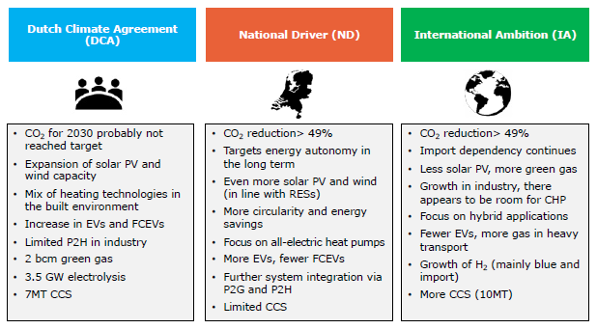
First page

Figure 2.2
 |  |  |  |  | First page
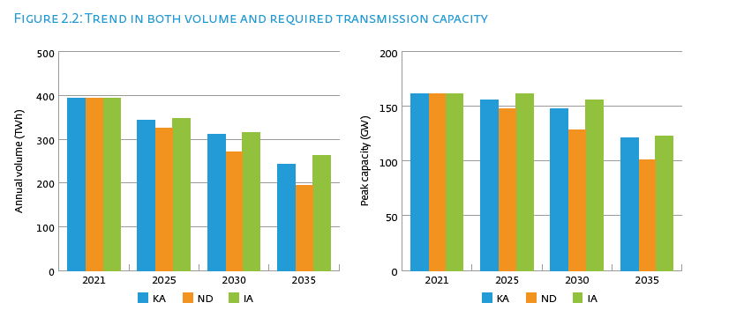

Annual volume (TWh) | 2021 | 2025 | 2030 | 2035
DCA | 394 | 343 | 312 | 243
ND | 394 | 326 | 272 | 195
IA | 394 | 348 | 315 | 263

Peak capacity (GW) | 2021 | 2025 | 2030 | 2035
DCA | 162 | 156 | 148 | 121
ND | 162 | 148 | 129 | 101
IA | 162 | 162 | 156 | 123

Figure 2.3
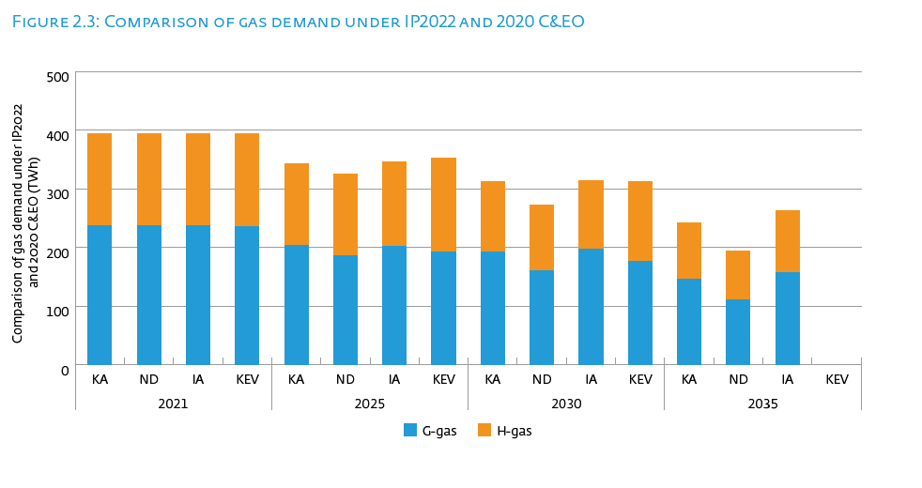
 |  |  |  |  |  |  |  |  |  | First page

Comparison of gas demand under IP2022 and 2020 C&EO (TWh) | 2021 |  |  |  | 2025 |  |  |  | 2030 |  |  |  | 2035
 | DCA | ND | IA | KEV | DCA | ND | IA | KEV | DCA | ND | IA | KEV | DCA | ND | IA | KEV
G-gas | 238 | 238 | 238 | 236 | 204 | 186 | 202 | 192 | 193 | 160 | 198 | 177 | 146 | 111 | 157
H-gas | 156 | 156 | 156 | 158 | 139 | 140 | 145 | 160 | 119 | 112 | 117 | 135 | 97 | 84 | 106

Figure 2.4
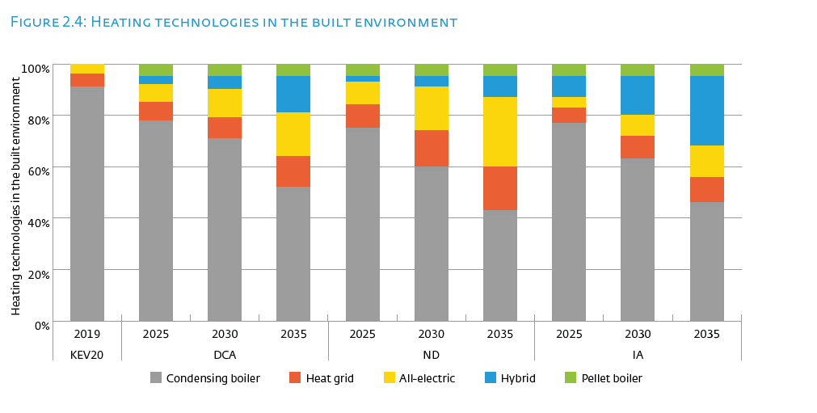
 |  |  |  |  |  |  |  |  |  |  | First page

Heating technologies in the built environment | KEV20 | DCA |  |  | ND |  |  | IA
 | 2019 | 2025 | 2030 | 2035 | 2025 | 2030 | 2035 | 2025 | 2030 | 2035
Condesing boiler | 91% | 79% | 71% | 52% | 75% | 61% | 44% | 76% | 63% | 46%
Heat grid | 5% | 7% | 8% | 12% | 9% | 14% | 17% | 6% | 9% | 10%
All-electric | 3% | 7% | 11% | 17% | 9% | 17% | 27% | 4% | 8% | 12%
Hybrid | 0% | 3% | 5% | 14% | 2% | 4% | 8% | 8% | 15% | 27%
Pellet boiler | 0% | 5% | 5% | 5% | 5% | 5% | 5% | 5% | 5% | 5%
Total | 100% | 100% | 100% | 100% | 100% | 100% | 100% | 100% | 100% | 100%

Figure 2.5
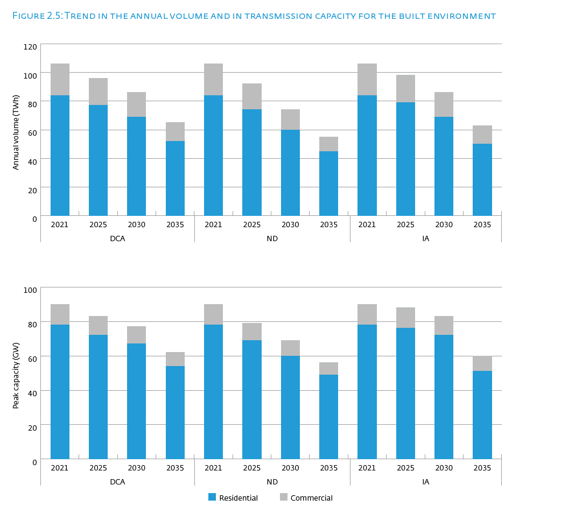
 |  |  |  |  |  |  |  |  |  |  |  |  | First page

Annual volume (TWh) | DCA |  |  |  | ND |  |  |  | IA
 | 2021 | 2025 | 2030 | 2035 | 2021 | 2025 | 2030 | 2035 | 2021 | 2025 | 2030 | 2035
Built environment | 105 | 96 | 86 | 65 | 105 | 92 | 74 | 55 | 105 | 99 | 86 | 63
Residential | 84 | 77 | 69 | 52 | 84 | 74 | 60 | 45 | 84 | 79 | 69 | 50
Commercial | 22 | 19 | 17 | 13 | 22 | 18 | 14 | 10 | 22 | 19 | 17 | 13
Industry | 135 | 146 | 146 | 107 | 135 | 125 | 115 | 71 | 135 | 140 | 154 | 128
Industry direct | 75 | 82 | 84 | 63 | 75 | 69 | 64 | 44 | 75 | 77 | 84 | 70
Industrie RNB | 61 | 63 | 62 | 44 | 61 | 56 | 51 | 27 | 61 | 63 | 70 | 58
CHP | 52 | 55 | 57 | 46 | 52 | 50 | 44 | 43 | 52 | 48 | 49 | 39
CHP direct | 35 | 36 | 38 | 30 | 35 | 33 | 29 | 28 | 35 | 32 | 33 | 26
CHP RNB | 17 | 18 | 19 | 16 | 17 | 17 | 15 | 14 | 17 | 16 | 17 | 13
Transport | 1 | 1 | 2 | 2 | 1 | 1 | 2 | 1 | 1 | 1 | 2 | 3
Power stations | 100 | 45 | 22 | 23 | 100 | 58 | 38 | 25 | 100 | 60 | 24 | 30
Total | 394 | 343 | 312 | 243 | 394 | 326 | 272 | 195 | 394 | 348 | 315 | 263

Electricity generation | 152 | 100 | 79 | 69 | 152 | 108 | 81 | 68 | 152 | 108 | 73 | 69

Peak capacity (GW) | DCA |  |  |  | ND |  |  |  | IA
 | 2021 | 2025 | 2030 | 2035 | 2021 | 2025 | 2030 | 2035 | 2021 | 2025 | 2030 | 2035
Built environment | 89 | 83 | 77 | 62 | 89 | 80 | 69 | 55 | 89 | 88 | 83 | 60
>> Residential | 78 | 72 | 67 | 54 | 78 | 69 | 60 | 49 | 78 | 76 | 72 | 51
>> Commercial | 12 | 11 | 10 | 8 | 12 | 10 | 9 | 7 | 12 | 12 | 11 | 9
Industry | 35 | 38 | 38 | 27 | 35 | 34 | 32 | 19 | 35 | 38 | 42 | 34
>> wv direct | 12 | 13 | 13 | 10 | 12 | 12 | 11 | 7 | 12 | 13 | 14 | 12
>> wv indirect | 24 | 25 | 25 | 18 | 24 | 23 | 21 | 12 | 24 | 25 | 28 | 22
CHP | 16 | 14 | 13 | 13 | 16 | 13 | 12 | 12 | 16 | 14 | 14 | 14
>> wv direct | 11 | 9 | 9 | 9 | 11 | 9 | 8 | 8 | 11 | 10 | 9 | 9
>> wv indirect | 5 | 5 | 4 | 4 | 5 | 4 | 4 | 4 | 5 | 5 | 5 | 5
Transport | 0 | 0 | 0 | 0 | 0 | 0 | 0 | 0 | 0 | 0 | 0 | 0
Power stations | 21 | 21 | 19 | 17 | 21 | 21 | 16 | 15 | 21 | 21 | 16 | 15
Total | 162 | 156 | 148 | 121 | 162 | 148 | 129 | 101 | 162 | 162 | 156 | 123

Electricity generation | 37 | 35 | 32 | 31 | 37 | 34 | 29 | 27 | 37 | 35 | 31 | 29

Figure 2.6
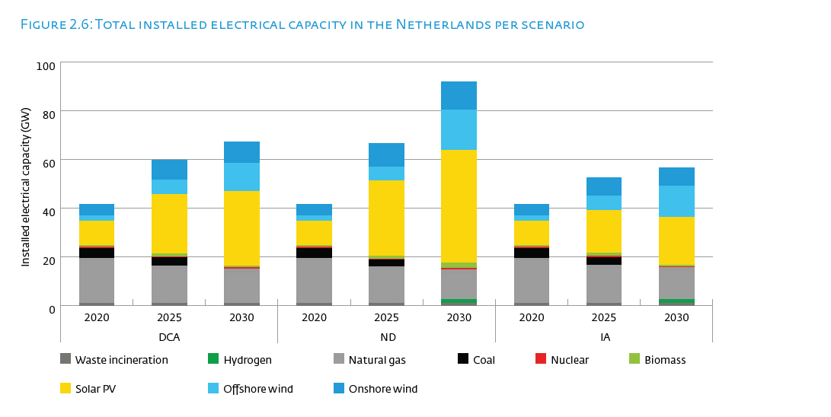
 |  |  |  |  |  |  |  |  |  | First page

Installed electrical capacity (GW) | DCA |  |  | ND |  |  | IA
 | 2020 | 2025 | 2030 | 2020 | 2025 | 2030 | 2020 | 2025 | 2030
Onshore wind | 4.5 | 8.2 | 8.8 | 4.5 | 9.4 | 11.6 | 4.5 | 7.5 | 7.5
Offshore wind | 2.4 | 5.9 | 11.5 | 2.4 | 5.9 | 16.6 | 2.4 | 5.9 | 12.6
Solar PV | 10.1 | 24.4 | 30.8 | 10.1 | 30.8 | 46.2 | 10.1 | 17.5 | 19.7
Biomass | 0.6 | 1.2 | 0.6 | 0.6 | 1.2 | 2.2 | 0.6 | 1.2 | 0.6
Nuclear | 0.5 | 0.5 | 0.5 | 0.5 | 0.5 | 0.5 | 0.5 | 0.5 | 0.5
Coal | 4.0 | 3.4 | 0.0 | 4.0 | 2.7 | 0.0 | 4.0 | 3.4 | 0.0
Natural gas | 18.5 | 15.3 | 14.2 | 18.5 | 15.0 | 12.5 | 18.5 | 15.5 | 13.2
Hydrogen | 0.0 | 0.0 | 0.0 | 0.0 | 0.0 | 1.4 | 0.0 | 0.0 | 1.4
Waste incineration | 0.8 | 0.8 | 0.8 | 0.8 | 0.8 | 0.8 | 0.8 | 0.8 | 0.8

Figure 2.7
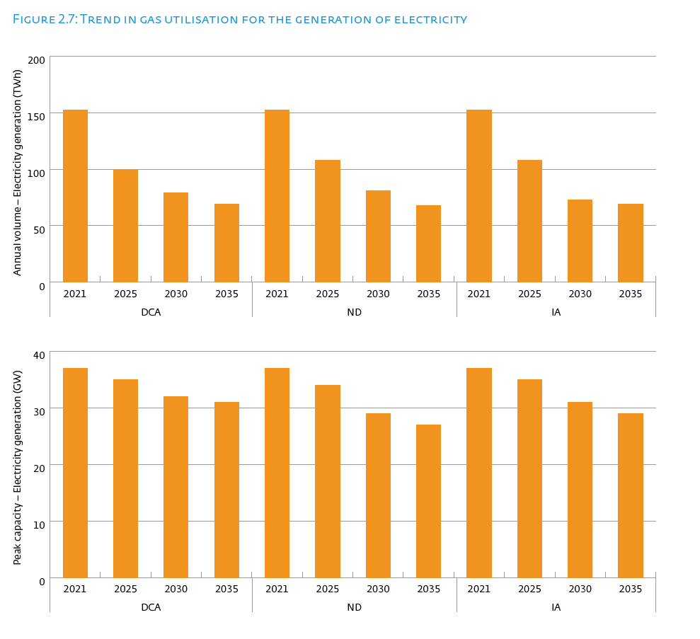

 |  |  |  |  |  |  |  |  |  |  |  |  | First page

Annual volume (TWh) | DCA |  |  |  | ND |  |  |  | IA
 | 2021 | 2025 | 2030 | 2035 | 2021 | 2025 | 2030 | 2035 | 2021 | 2025 | 2030 | 2035
Built environment | 105 | 96 | 86 | 65 | 105 | 92 | 74 | 55 | 105 | 99 | 86 | 63
Residential | 84 | 77 | 69 | 52 | 84 | 74 | 60 | 45 | 84 | 79 | 69 | 50
Commercial | 22 | 19 | 17 | 13 | 22 | 18 | 14 | 10 | 22 | 19 | 17 | 13
Industry | 135 | 146 | 146 | 107 | 135 | 125 | 115 | 71 | 135 | 140 | 154 | 128
Industry direct | 75 | 82 | 84 | 63 | 75 | 69 | 64 | 44 | 75 | 77 | 84 | 70
Industrie RNB | 61 | 63 | 62 | 44 | 61 | 56 | 51 | 27 | 61 | 63 | 70 | 58
CHP | 52 | 55 | 57 | 46 | 52 | 50 | 44 | 43 | 52 | 48 | 49 | 39
CHP direct | 35 | 36 | 38 | 30 | 35 | 33 | 29 | 28 | 35 | 32 | 33 | 26
CHP RNB | 17 | 18 | 19 | 16 | 17 | 17 | 15 | 14 | 17 | 16 | 17 | 13
Transport | 1 | 1 | 2 | 2 | 1 | 1 | 2 | 1 | 1 | 1 | 2 | 3
Power stations | 100 | 45 | 22 | 23 | 100 | 58 | 38 | 25 | 100 | 60 | 24 | 30
Total | 394 | 343 | 312 | 243 | 394 | 326 | 272 | 195 | 394 | 348 | 315 | 263

Electricity generation | 152 | 100 | 79 | 69 | 152 | 108 | 81 | 68 | 152 | 108 | 73 | 69

Peak capacity (GW) | DCA |  |  |  | ND |  |  |  | IA
 | 2021 | 2025 | 2030 | 2035 | 2021 | 2025 | 2030 | 2035 | 2021 | 2025 | 2030 | 2035
Built environment | 89 | 83 | 77 | 62 | 89 | 80 | 69 | 55 | 89 | 88 | 83 | 60
>> Residential | 78 | 72 | 67 | 54 | 78 | 69 | 60 | 49 | 78 | 76 | 72 | 51
>> Commercial | 12 | 11 | 10 | 8 | 12 | 10 | 9 | 7 | 12 | 12 | 11 | 9
Industry | 35 | 38 | 38 | 27 | 35 | 34 | 32 | 19 | 35 | 38 | 42 | 34
>> wv direct | 12 | 13 | 13 | 10 | 12 | 12 | 11 | 7 | 12 | 13 | 14 | 12
>> wv indirect | 24 | 25 | 25 | 18 | 24 | 23 | 21 | 12 | 24 | 25 | 28 | 22
CHP | 16 | 14 | 13 | 13 | 16 | 13 | 12 | 12 | 16 | 14 | 14 | 14
>> wv direct | 11 | 9 | 9 | 9 | 11 | 9 | 8 | 8 | 11 | 10 | 9 | 9
>> wv indirect | 5 | 5 | 4 | 4 | 5 | 4 | 4 | 4 | 5 | 5 | 5 | 5
Transport | 0 | 0 | 0 | 0 | 0 | 0 | 0 | 0 | 0 | 0 | 0 | 0
Power stations | 21 | 21 | 19 | 17 | 21 | 21 | 16 | 15 | 21 | 21 | 16 | 15
Total | 162 | 156 | 148 | 121 | 162 | 148 | 129 | 101 | 162 | 162 | 156 | 123

Electricity generation | 37 | 35 | 32 | 31 | 37 | 34 | 29 | 27 | 37 | 35 | 31 | 29

Figure 2.8
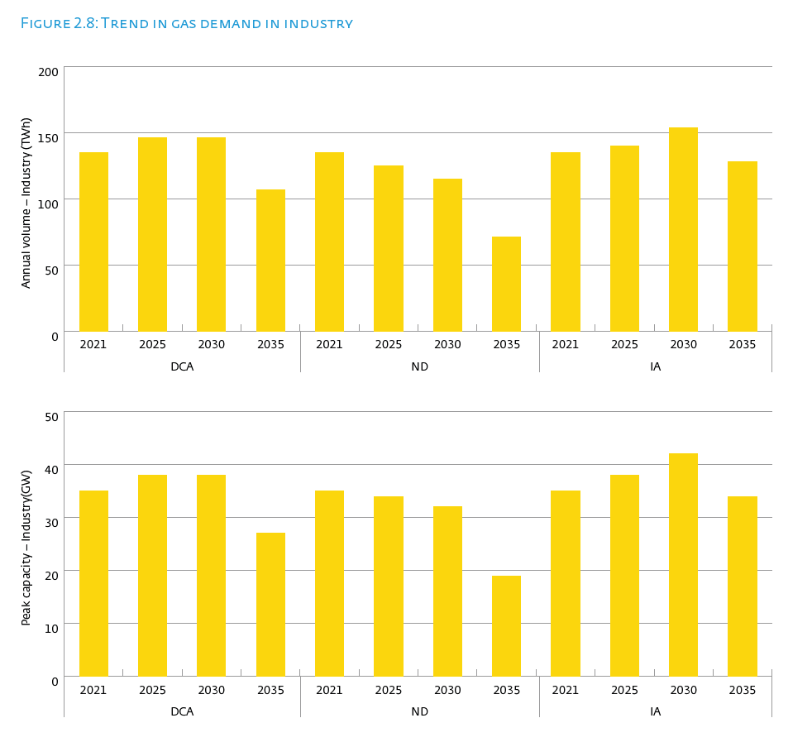
 |  |  |  |  |  |  |  |  |  |  |  |  | First page

Annual volume (TWh) | DCA |  |  |  | ND |  |  |  | IA
 | 2021 | 2025 | 2030 | 2035 | 2021 | 2025 | 2030 | 2035 | 2021 | 2025 | 2030 | 2035
Built environment | 105 | 96 | 86 | 65 | 105 | 92 | 74 | 55 | 105 | 99 | 86 | 63
Residential | 84 | 77 | 69 | 52 | 84 | 74 | 60 | 45 | 84 | 79 | 69 | 50
Commercial | 22 | 19 | 17 | 13 | 22 | 18 | 14 | 10 | 22 | 19 | 17 | 13
Industry | 135 | 146 | 146 | 107 | 135 | 125 | 115 | 71 | 135 | 140 | 154 | 128
Industry direct | 75 | 82 | 84 | 63 | 75 | 69 | 64 | 44 | 75 | 77 | 84 | 70
Industrie RNB | 61 | 63 | 62 | 44 | 61 | 56 | 51 | 27 | 61 | 63 | 70 | 58
CHP | 52 | 55 | 57 | 46 | 52 | 50 | 44 | 43 | 52 | 48 | 49 | 39
CHP direct | 35 | 36 | 38 | 30 | 35 | 33 | 29 | 28 | 35 | 32 | 33 | 26
CHP RNB | 17 | 18 | 19 | 16 | 17 | 17 | 15 | 14 | 17 | 16 | 17 | 13
Transport | 1 | 1 | 2 | 2 | 1 | 1 | 2 | 1 | 1 | 1 | 2 | 3
Power stations | 100 | 45 | 22 | 23 | 100 | 58 | 38 | 25 | 100 | 60 | 24 | 30
Total | 394 | 343 | 312 | 243 | 394 | 326 | 272 | 195 | 394 | 348 | 315 | 263

Electricity generation | 152 | 100 | 79 | 69 | 152 | 108 | 81 | 68 | 152 | 108 | 73 | 69

Peak capacity (GW) | DCA |  |  |  | ND |  |  |  | IA
 | 2021 | 2025 | 2030 | 2035 | 2021 | 2025 | 2030 | 2035 | 2021 | 2025 | 2030 | 2035
Built environment | 89 | 83 | 77 | 62 | 89 | 80 | 69 | 55 | 89 | 88 | 83 | 60
>> Residential | 78 | 72 | 67 | 54 | 78 | 69 | 60 | 49 | 78 | 76 | 72 | 51
>> Commercial | 12 | 11 | 10 | 8 | 12 | 10 | 9 | 7 | 12 | 12 | 11 | 9
Industry | 35 | 38 | 38 | 27 | 35 | 34 | 32 | 19 | 35 | 38 | 42 | 34
>> wv direct | 12 | 13 | 13 | 10 | 12 | 12 | 11 | 7 | 12 | 13 | 14 | 12
>> wv indirect | 24 | 25 | 25 | 18 | 24 | 23 | 21 | 12 | 24 | 25 | 28 | 22
CHP | 16 | 14 | 13 | 13 | 16 | 13 | 12 | 12 | 16 | 14 | 14 | 14
>> wv direct | 11 | 9 | 9 | 9 | 11 | 9 | 8 | 8 | 11 | 10 | 9 | 9
>> wv indirect | 5 | 5 | 4 | 4 | 5 | 4 | 4 | 4 | 5 | 5 | 5 | 5
Transport | 0 | 0 | 0 | 0 | 0 | 0 | 0 | 0 | 0 | 0 | 0 | 0
Power stations | 21 | 21 | 19 | 17 | 21 | 21 | 16 | 15 | 21 | 21 | 16 | 15
Total | 162 | 156 | 148 | 121 | 162 | 148 | 129 | 101 | 162 | 162 | 156 | 123

Electricity generation | 37 | 35 | 32 | 31 | 37 | 34 | 29 | 27 | 37 | 35 | 31 | 29

Figure 2.9
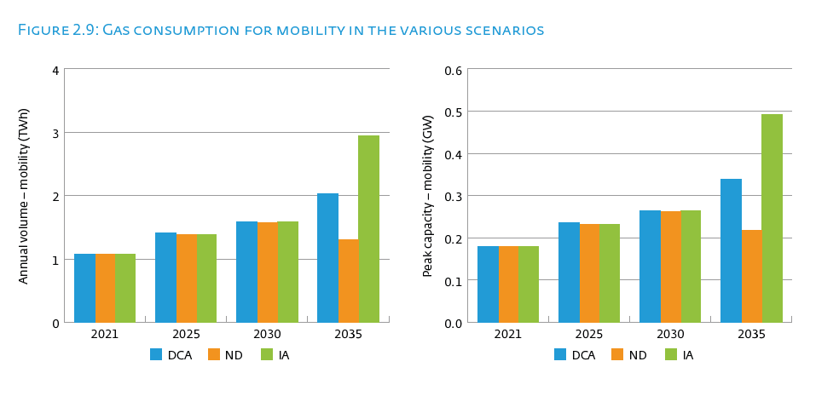
 |  |  |  |  |  |  |  |  |  |  |  |  | First page

Annual volume (TWh) | DCA |  |  |  | ND |  |  |  | IA
 | 2021 | 2025 | 2030 | 2035 | 2021 | 2025 | 2030 | 2035 | 2021 | 2025 | 2030 | 2035
Built environment | 105 | 96 | 86 | 65 | 105 | 92 | 74 | 55 | 105 | 99 | 86 | 63
Residential | 84 | 77 | 69 | 52 | 84 | 74 | 60 | 45 | 84 | 79 | 69 | 50
Commercial | 22 | 19 | 17 | 13 | 22 | 18 | 14 | 10 | 22 | 19 | 17 | 13
Industry | 135 | 146 | 146 | 107 | 135 | 125 | 115 | 71 | 135 | 140 | 154 | 128
Industry direct | 75 | 82 | 84 | 63 | 75 | 69 | 64 | 44 | 75 | 77 | 84 | 70
Industrie RNB | 61 | 63 | 62 | 44 | 61 | 56 | 51 | 27 | 61 | 63 | 70 | 58
CHP | 52 | 55 | 57 | 46 | 52 | 50 | 44 | 43 | 52 | 48 | 49 | 39
CHP direct | 35 | 36 | 38 | 30 | 35 | 33 | 29 | 28 | 35 | 32 | 33 | 26
CHP RNB | 17 | 18 | 19 | 16 | 17 | 17 | 15 | 14 | 17 | 16 | 17 | 13
Transport | 1 | 1 | 2 | 2 | 1 | 1 | 2 | 1 | 1 | 1 | 2 | 3
Power stations | 100 | 45 | 22 | 23 | 100 | 58 | 38 | 25 | 100 | 60 | 24 | 30
Total | 394 | 343 | 312 | 243 | 394 | 326 | 272 | 195 | 394 | 348 | 315 | 263

Electricity generation | 152 | 100 | 79 | 69 | 152 | 108 | 81 | 68 | 152 | 108 | 73 | 69

Peak capacity (GW) | DCA |  |  |  | ND |  |  |  | IA
 | 2021 | 2025 | 2030 | 2035 | 2021 | 2025 | 2030 | 2035 | 2021 | 2025 | 2030 | 2035
Built environment | 89 | 83 | 77 | 62 | 89 | 80 | 69 | 55 | 89 | 88 | 83 | 60
>> Residential | 78 | 72 | 67 | 54 | 78 | 69 | 60 | 49 | 78 | 76 | 72 | 51
>> Commercial | 12 | 11 | 10 | 8 | 12 | 10 | 9 | 7 | 12 | 12 | 11 | 9
Industry | 35 | 38 | 38 | 27 | 35 | 34 | 32 | 19 | 35 | 38 | 42 | 34
>> wv direct | 12 | 13 | 13 | 10 | 12 | 12 | 11 | 7 | 12 | 13 | 14 | 12
>> wv indirect | 24 | 25 | 25 | 18 | 24 | 23 | 21 | 12 | 24 | 25 | 28 | 22
CHP | 16 | 14 | 13 | 13 | 16 | 13 | 12 | 12 | 16 | 14 | 14 | 14
>> wv direct | 11 | 9 | 9 | 9 | 11 | 9 | 8 | 8 | 11 | 10 | 9 | 9
>> wv indirect | 5 | 5 | 4 | 4 | 5 | 4 | 4 | 4 | 5 | 5 | 5 | 5
Transport | 0 | 0 | 0 | 0 | 0 | 0 | 0 | 0 | 0 | 0 | 0 | 0
Power stations | 21 | 21 | 19 | 17 | 21 | 21 | 16 | 15 | 21 | 21 | 16 | 15
Total | 162 | 156 | 148 | 121 | 162 | 148 | 129 | 101 | 162 | 162 | 156 | 123

Electricity generation | 37 | 35 | 32 | 31 | 37 | 34 | 29 | 27 | 37 | 35 | 31 | 29

Figure 2.10
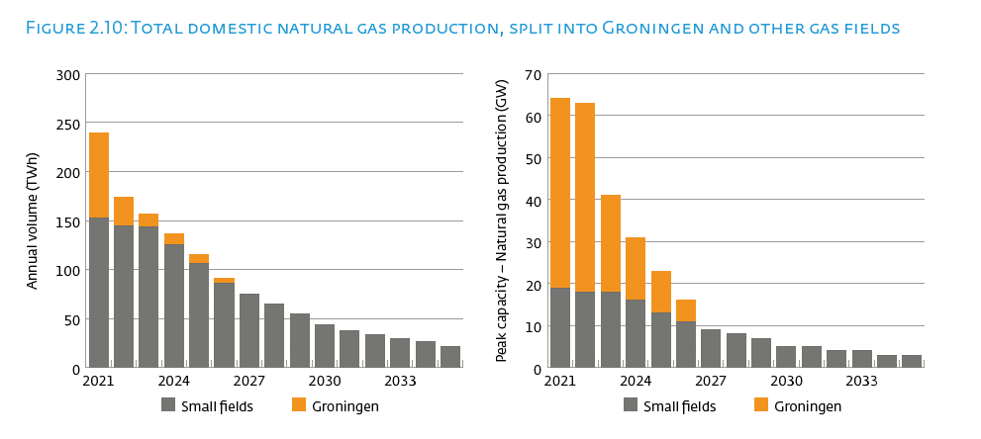
 |  |  |  |  |  |  |  | First page

Annual volume natural gas production (TWh) | SM | GR | Totaal | Peak capacity natural gas production (GW) | SM | GR | Totaal
2021 | 153 | 86 | 239 | 2021 | 19 | 45 | 64
2022 | 145 | 29 | 174 | 2022 | 18 | 45 | 63
2023 | 144 | 13 | 156 | 2023 | 18 | 23 | 41
2024 | 125 | 11 | 136 | 2024 | 16 | 15 | 30
2025 | 106 | 9 | 115 | 2025 | 13 | 10 | 23
2026 | 86 | 5 | 91 | 2026 | 11 | 5 | 16
2027 | 75 | 0 | 75 | 2027 | 9 | 0 | 9
2028 | 65 | 0 | 65 | 2028 | 8 |  | 8
2029 | 55 | 0 | 55 | 2029 | 7 |  | 7
2030 | 44 | 0 | 44 | 2030 | 5 |  | 5
2031 | 38 | 0 | 38 | 2031 | 5 |  | 5
2032 | 34 | 0 | 34 | 2032 | 4 |  | 4
2033 | 30 | 0 | 30 | 2033 | 4 |  | 4
2034 | 27 | 0 | 27 | 2034 | 3 |  | 3
2035 | 22 | 0 | 22 | 2035 | 3 |  | 3

Figure 2.11
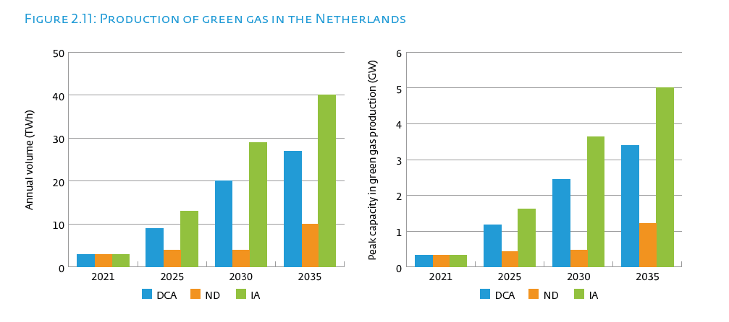
 |  |  |  |  |  |  | First page

Annual volume green gas (TWh) | 2020 | 2021 | 2022 | 2025 | 2030 | 2035
DCA | 2 | 3 | 3 | 9 | 20 | 27
ND | 2 | 3 | 3 | 4 | 4 | 10
IA | 2 | 3 | 3 | 13 | 29 | 40

Peak capacity green gas production (GW) | 2020 | 2021 | 2022 | 2025 | 2030 | 2035
DCA | 0 | 0 | 0 | 1 | 2 | 3
ND | 0 | 0 | 0 | 0 | 0 | 1
IA | 0 | 0 | 0 | 2 | 4 | 5

Figure 2.12
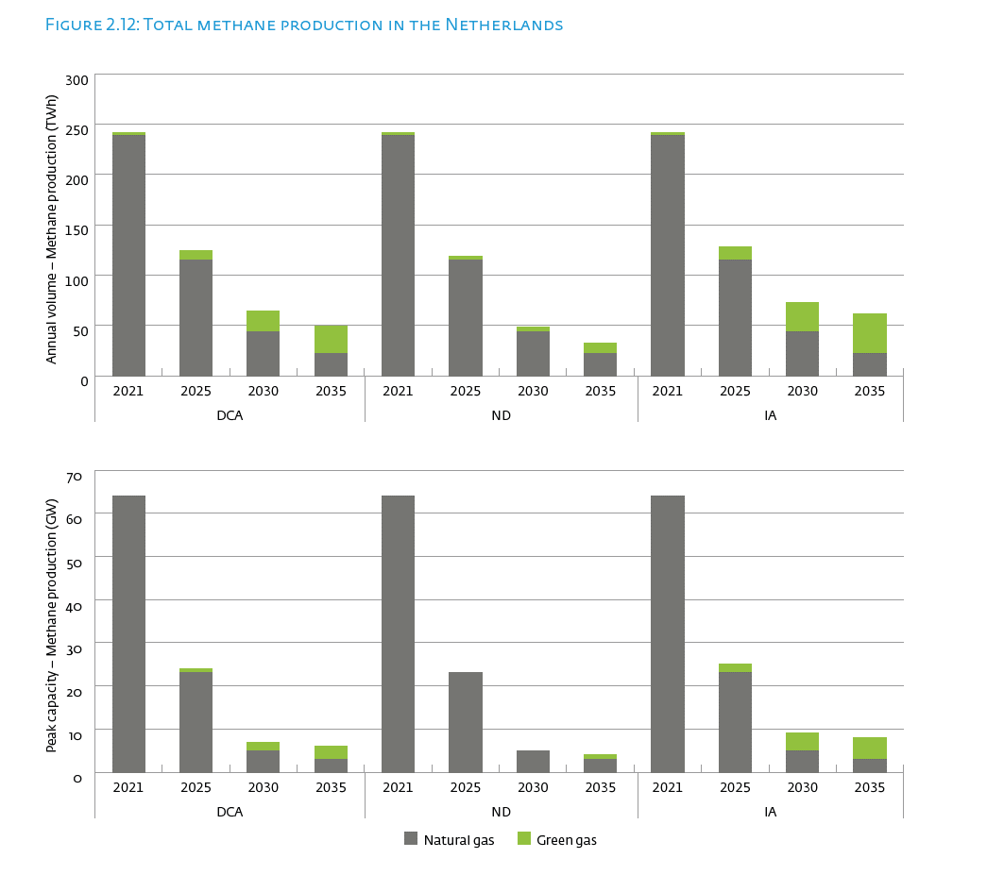
 |  |  |  |  |  |  |  |  |  |  |  |  | First page

Annual volume methane production (TWh) | DCA |  |  |  | ND |  |  |  | IA
 | 2021 | 2025 | 2030 | 2035 | 2021 | 2025 | 2030 | 2035 | 2021 | 2025 | 2030 | 2035
Natural gas | 239 | 115 | 44 | 22 | 239 | 115 | 44 | 22 | 239 | 115 | 44 | 22
Green gas | 3 | 9 | 20 | 27 | 3 | 4 | 4 | 10 | 3 | 13 | 29 | 40
Total | 242 | 125 | 63 | 50 | 242 | 119 | 48 | 32 | 242 | 128 | 73 | 63

Peak capacity methane production (GW) | DCA |  |  |  | ND |  |  |  | IA
 | 2021 | 2025 | 2030 | 2035 | 2021 | 2025 | 2030 | 2035 | 2021 | 2025 | 2030 | 2035
Natural gas | 64 | 23 | 5 | 3 | 64 | 23 | 5 | 3 | 64 | 23 | 5 | 3
Green gas | 0 | 1 | 2 | 3 | 0 | 0 | 0 | 1 | 0 | 2 | 4 | 5
Total | 64 | 24 | 8 | 6 | 64 | 24 | 6 | 4 | 64 | 25 | 9 | 8

Figure 2.13
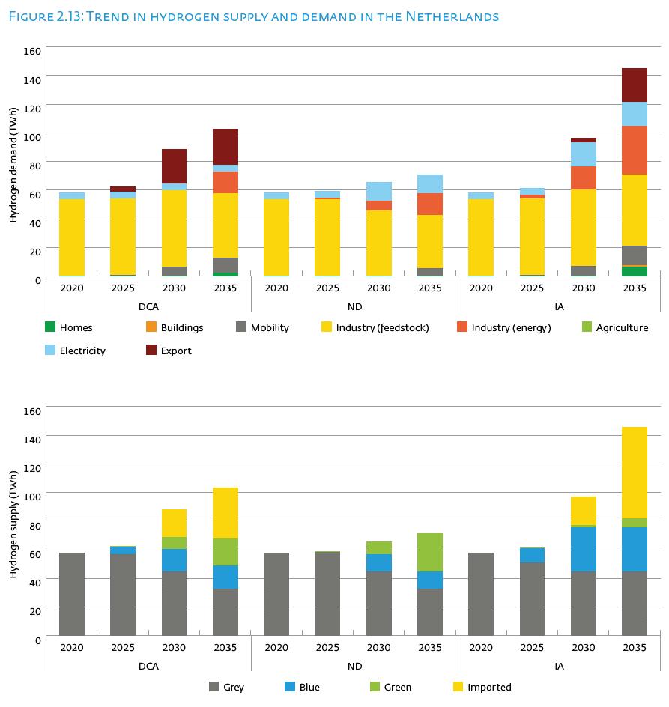
 |  |  |  |  |  |  |  |  |  |  |  |  | First page

Hydrogen demand (TWh) | DCA |  |  |  | ND |  |  |  | IA
 | 2020 | 2025 | 2030 | 2035 | 2020 | 2025 | 2030 | 2035 | 2020 | 2025 | 2030 | 2035
Homes | 0 | 0 | 0 | 2 | 0 | 0 | 0 | 0 | 0 | 0 | 0 | 6
Buildings | 0 | 0 | 0 | 0 | 0 | 0 | 0 | 0 | 0 | 0 | 0 | 1
Mobility | 0 | 1 | 7 | 10 | 0 | 0 | 0 | 5 | 0 | 1 | 7 | 13
Industry (feedstock) | 53 | 53 | 53 | 45 | 53 | 53 | 46 | 37 | 53 | 53 | 53 | 49
Industry (energy) | 0 | 0 | 0 | 15 | 0 | 1 | 7 | 16 | 0 | 3 | 16 | 34
Agriculture | 0 | 0 | 0 | 0 | 0 | 0 | 0 | 0 | 0 | 0 | 0 | 0
Elektricity | 5 | 5 | 5 | 5 | 5 | 5 | 13 | 13 | 5 | 5 | 17 | 17
Export | 0 | 4 | 24 | 25 | 0 | 0 | 0 | 0 | 0 | 0 | 3 | 24

Hydrogen supply (TWh) | DCA |  |  |  | ND |  |  |  | IA
 | 2020 | 2025 | 2030 | 2035 | 2020 | 2025 | 2030 | 2035 | 2020 | 2025 | 2030 | 2035
Grey | 58 | 57 | 45 | 33 | 58 | 58 | 45 | 33 | 58 | 51 | 45 | 45
Blue | 0 | 5 | 16 | 16 | 0 | 0 | 12 | 12 | 0 | 10 | 31 | 31
Green | 0 | 0 | 8 | 19 | 0 | 1 | 8 | 26 | 0 | 0 | 2 | 7
Imported | 0 | 0 | 20 | 35 | 0 | 0 | 0 | 0 | 0 | 0 | 20 | 64

Figure 2.14
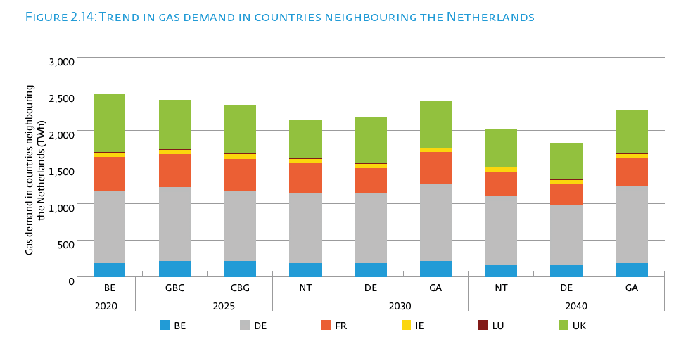
 |  |  |  |  |  |  |  |  |  | First page

Gas demand in countries neighbouring the Netherlands (TWh) | 2020 | 2025 |  | 2030 |  |  | 2040
 | BE | GBC | CBG | NT | DE | GA | NT | DE | GA
BE | 185 | 215 | 209 | 185 | 185 | 208 | 159 | 159 | 184
DE | 979 | 1011 | 968 | 950 | 947 | 1065 | 938 | 820 | 1047
FR | 475 | 445 | 433 | 416 | 351 | 426 | 338 | 295 | 392
IE | 56 | 62 | 62 | 56 | 57 | 53 | 52 | 48 | 50
LU | 9 | 9 | 9 | 9 | 7 | 8 | 10 | 6 | 8
UK | 793 | 673 | 663 | 525 | 631 | 638 | 523 | 488 | 596

Figure 2.15
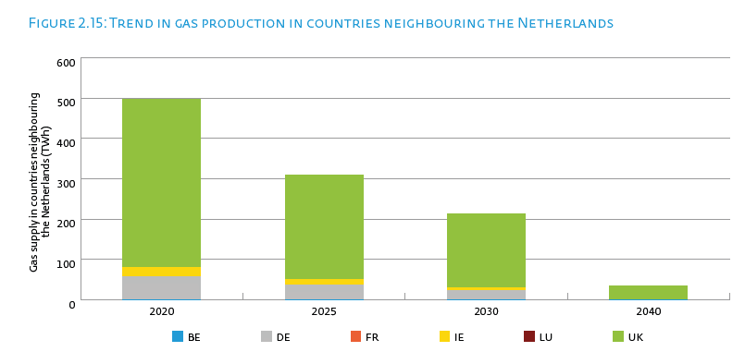
 |  |  |  |  | First page

Gas production in countries neighbouring the Netherlands (TWh) | 2020 | 2025 | 2030 | 2040
BE | 0 | 0 | 0 | 0
FR | 0 | 0 | 0 | 0
DE | 57 | 37 | 22 | 0
IE | 23 | 12 | 7 | 0
LU | 0 | 0 | 0 | 0
UK | 416 | 261 | 184 | 35

Figure 2.16
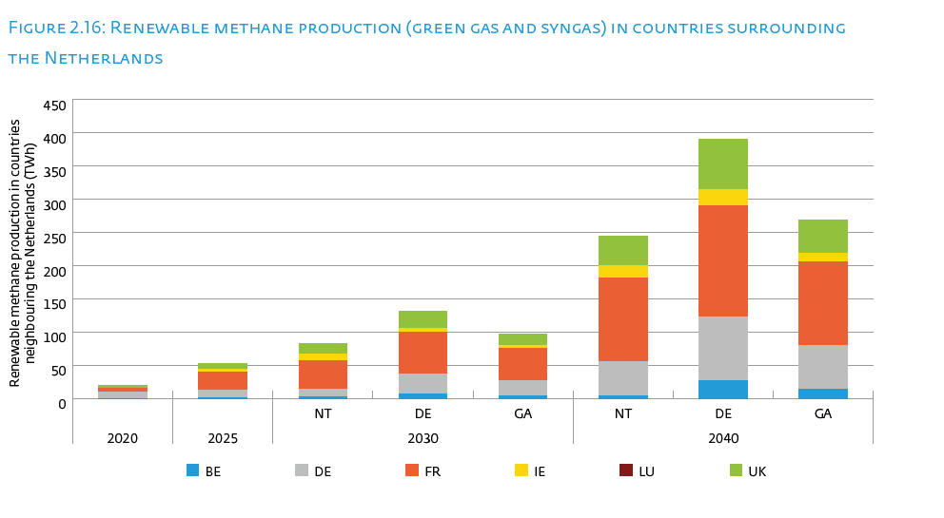
 |  |  |  |  |  |  |  |  | First page

Renewable methane production in countries neighbouring the Netherlands (TWh) | 2020 | 2025 | 2030 |  |  | 2040
 |  |  | NT | DE | GA | NT | DE | GA
BE | 0 | 1 | 2 | 6 | 4 | 4 | 27 | 14
FR | 5 | 26 | 42 | 63 | 49 | 127 | 168 | 126
DE | 10 | 12 | 12 | 31 | 22 | 51 | 95 | 65
IE | 0 | 5 | 11 | 6 | 4 | 18 | 24 | 13
LU | 0 | 0 | 0 | 0 | 0 | 0 | 0 | 0
UK | 5 | 9 | 15 | 25 | 18 | 44 | 77 | 51

Figure 2.17
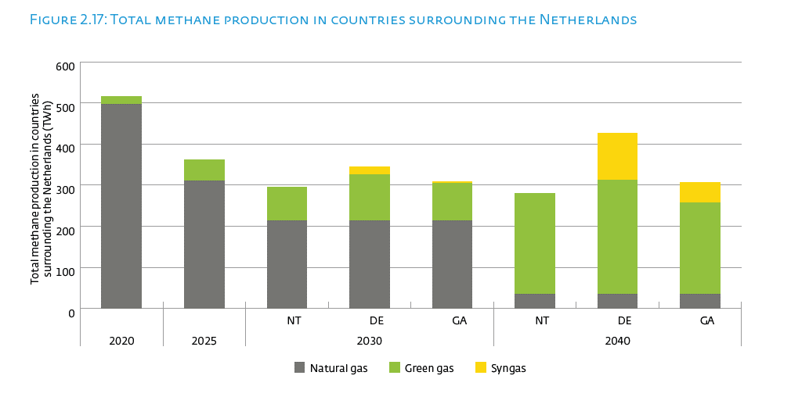
 |  |  |  |  |  |  |  |  | First page

Total methane production in countries neighbouring the Netherlands (TWh) | 2020 | 2025 | 2030 |  |  | 2040
 |  |  | NT | DE | GA | NT | DE | GA
Natural gas | 496 | 310 | 213 | 213 | 213 | 35 | 35 | 35
Green gas | 20 | 52 | 82 | 113 | 91 | 245 | 277 | 222
Syngas | 0 | 0 | 0 | 18 | 5 | 0 | 114 | 49

Figure 2.18
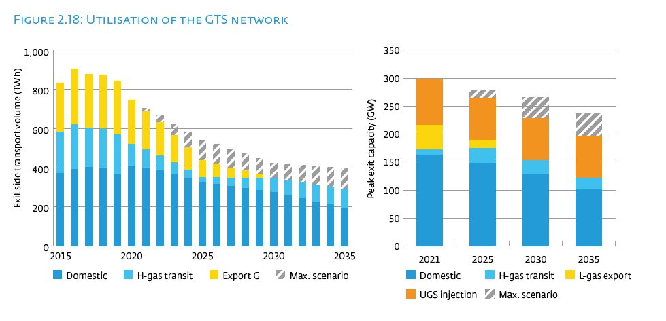
 |  |  |  |  |  |  | First page

Transport volume exit (TWh) | Domestic | Transit H | Export H | Export G | Total | Upper limit
2013 | 432 | 193 | 132 | 290 | 1048 | 0
2014 | 377 | 222 | 82 | 234 | 915 | 0
2015 | 372 | 211 | 0 | 250 | 832 | 0
2016 | 390 | 231 | 0 | 283 | 904 | 0
2017 | 401 | 202 | 0 | 273 | 876 | 0
2018 | 398 | 202 | 0 | 273 | 872 | 0
2019 | 367 | 202 | 0 | 273 | 841 | 0
2020 | 405 | 116 | 0 | 224 | 744 | 0
2021 | 394 | 97 | 0 | 196 | 688 | 17
2022 | 383 | 79 | 0 | 169 | 630 | 34
2023 | 364 | 61 | 0 | 141 | 566 | 58
2024 | 345 | 42 | 0 | 114 | 501 | 82
2025 | 326 | 24 | 0 | 86 | 436 | 106
2026 | 315 | 34 | 0 | 69 | 418 | 100
2027 | 304 | 44 | 0 | 52 | 401 | 94
2028 | 294 | 54 | 0 | 35 | 383 | 87
2029 | 283 | 65 | 0 | 18 | 365 | 81
2030 | 272 | 75 | 0 | 1 | 347 | 75
2031 | 256 | 79 | 0 | 1 | 336 | 81
2032 | 241 | 83 | 0 | 0 | 324 | 88
2033 | 225 | 87 | 0 | 0 | 313 | 94
2034 | 210 | 91 | 0 | 0 | 301 | 100
2035 | 195 | 95 | 0 | 0 | 290 | 107

Peak capacity exit (GW) | Domestic | Export L | Transit H | UGS Injection | Upper limit
2021 | 162 | 44 | 10 | 82 | 0
2025 | 148 | 14 | 27 | 75 | 15
2030 | 129 | 0 | 24 | 75 | 38
2035 | 101 | 0 | 20 | 75 | 40

Figure 3.1
 |  |  |  |  | First page
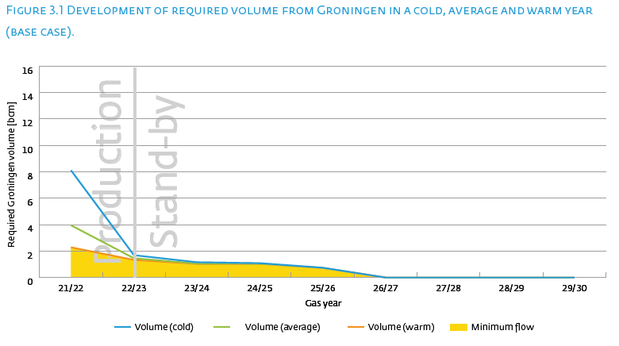

Gas year | Cold | Average | Warm | Minimum flow
21/22 | 8.11 | 3.95 | 2.29 | 2.24
22/23 | 1.69 | 1.46 | 1.34 | 1.33
23/24 | 1.16 | 1.06 | 1.03 | 1.03
24/25 | 1.09 | 1.04 | 1.03 | 1.03
25/26 | 0.74 | 0.73 | 0.73 | 0.73
26/27 | 0.00 | 0.00 | 0.00 | 0.00
27/28 | 0.00 | 0.00 | 0.00 | 0.00
28/29 | 0.00 | 0.00 | 0.00 | 0.00
29/30 | 0.00 | 0.00 | 0.00 | 0.00

Figure 3.2
 |  | First page
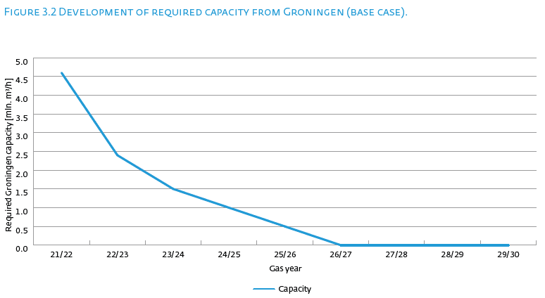

Gas year | Required Groningen volume
21/22 | 4600
22/23 | 2400
23/24 | 1500
24/25 | 1000
25/26 | 500
26/27 | 0
27/28 | 0
28/29 | 0
29/30 | 0

